Calcs
 |  |  |  | World |  |  |  |  |  |  |  |  |  |  |  | USA |  |  | IND |  |  |  | CHN
Year | Theoretical Minimum (Methane) [GJ/ton] | Theoretical Minimum (Electric) [GJ/ton] |  | Energy Intensity [GJ/ton] | Source/Method | Energy Intensity [GJ/ton] | Source/Method | Energy Intensity [GJ/ton] | Source/Method |  | Energy Intensity [GJ/ton] | Source/Method | Energy Intensity [GJ/ton] | Source/Method | Energy Efficiency [%] | Energy Intensity [GJ/ton] | Source/Method | Energy Efficiency [%] | Energy Intensity [GJ/ton] | Source/Method | Energy Efficiency [%] | Source/Method | Energy Intensity [GJ/ton] | Source/Method | Energy Efficiency [%]
1940 | 22.2 | 21.3 |  |  |  |  |  |  |  |  | 80 | Heath et al (1985) |  |  |  | 79.13 | Constant & Sheldrick (1992)
1941 | 22.2 | 21.3
1942 | 22.2 | 21.3
1943 | 22.2 | 21.3
1944 | 22.2 | 21.3
1945 | 22.2 | 21.3
1946 | 22.2 | 21.3
1947 | 22.2 | 21.3
1948 | 22.2 | 21.3
1949 | 22.2 | 21.3
1950 | 22.2 | 21.3 | 72.23 | 73.87 | Aguilera et al (2015) | 85.00 | Dahmus (2014) | 67.72 | Kermeli et al (2017), exponential fit, forcing through 36 in 2012 (IFA data) | - |  |  | 62.33 | Smith et al (2020) | 35.62% | 81 | Goldemberg et al (1985) | 26.30% |  |  | 19.89% | Indexed to World
1951 | 22.2 | 21.3 | 69.93 | 72.78 | Aguilera et al (2015) | 77.91 | Dahmus (2014) | 67.04 | Kermeli et al (2017), exponential fit, forcing through 29.6 in 2020 |  |  |  | 62.00 | Smith et al (2020) | 35.81% |  |  |  |  |  | 19.99% | Indexed to World
1952 | 22.2 | 21.3 | 67.78 | 71.68 | Aguilera et al (2015) | 71.42 | Dahmus (2014) | 66.36 | Kermeli et al (2017), exponential fit, forcing through 29.6 in 2020 |  | 61.1 | Heath et al (1985) | 61.67 | Smith et al (2020) | 36.00% |  |  |  |  |  | 20.10% | Indexed to World
1953 | 22.2 | 21.3 | 65.77 | 70.59 | Aguilera et al (2015) | 65.46 | Dahmus (2014) | 65.68 | Kermeli et al (2017), exponential fit, forcing through 29.6 in 2020 |  | 58.6 | Heath et al (1985) | 61.33 | Smith et al (2020) | 36.20% |  |  |  |  |  | 20.21% | Indexed to World
1954 | 22.2 | 21.3 | 63.88 | 69.49 | Aguilera et al (2015) | 60.00 | Dahmus (2014) | 65.01 | Kermeli et al (2017), exponential fit, forcing through 29.6 in 2020 |  |  |  | 61.00 | Smith et al (2020) | 36.39% |  |  |  |  |  | 20.32% | Indexed to World
1955 | 22.2 | 21.3 | 62.11 | 68.40 | Aguilera et al (2015) | 55.00 | Dahmus (2014) | 64.35 | Kermeli et al (2017), exponential fit, forcing through 29.6 in 2020 |  | 51.7 | Heath et al (1985) | 60.67 | Smith et al (2020) | 36.59% |  |  |  |  |  | 20.43% | Indexed to World
1956 | 22.2 | 21.3 | 61.09 | 67.31 | Aguilera et al (2015) | 53.28 | Dahmus (2014) | 63.70 | Kermeli et al (2017), exponential fit, forcing through 29.6 in 2020 |  |  |  | 60.09 | Smith et al (2020) | 36.95% |  |  |  |  |  | 20.63% | Indexed to World
1957 | 22.2 | 21.3 | 60.10 | 66.21 | Aguilera et al (2015) | 51.61 | Dahmus (2014) | 63.05 | Kermeli et al (2017), exponential fit, forcing through 29.6 in 2020 |  |  |  | 59.51 | Smith et al (2020) | 37.30% |  |  |  |  |  | 20.83% | Indexed to World
1958 | 22.2 | 21.3 | 59.12 | 65.12 | Aguilera et al (2015) | 50.00 | Dahmus (2014) | 62.41 | Kermeli et al (2017), exponential fit, forcing through 29.6 in 2020 |  |  |  | 58.93 | Smith et al (2020) | 37.67% |  |  |  |  |  | 21.03% | Indexed to World
1959 | 22.2 | 21.3 | 58.21 | 64.02 | Aguilera et al (2015) | 48.70 | Dahmus (2014) | 61.78 | Kermeli et al (2017), exponential fit, forcing through 29.6 in 2020 |  |  |  | 58.36 | Smith et al (2020) | 38.04% |  |  |  |  |  | 21.24% | Indexed to World
1960 | 22.2 | 21.3 | 57.32 | 62.93 | Aguilera et al (2015) | 47.43 | Dahmus (2014) | 61.15 | Kermeli et al (2017), exponential fit, forcing through 29.6 in 2020 |  | 47.9 | Heath et al (1985) | 57.78 | Smith et al (2020) | 38.42% |  |  |  |  |  | 21.45% | Indexed to World
1961 | 22.2 | 21.3 | 56.46 | 62.31 | Aguilera et al (2015) | 46.20 | Dahmus (2014) | 60.53 | Kermeli et al (2017), exponential fit, forcing through 29.6 in 2020 |  |  |  | 56.80 | Smith et al (2020) | 39.08% |  |  |  |  |  | 21.82% | Indexed to World
1962 | 22.2 | 21.3 | 55.61 | 61.70 | Aguilera et al (2015) | 45.00 | Dahmus (2014) | 59.92 | Kermeli et al (2017), exponential fit, forcing through 29.6 in 2020 |  |  |  | 55.82 | Smith et al (2020) | 39.77% |  |  |  |  |  | 22.21% | Indexed to World
1963 | 22.2 | 21.3 | 54.73 | 61.08 | Aguilera et al (2015) | 43.69 | Dahmus (2014) | 59.31 | Kermeli et al (2017), exponential fit, forcing through 29.6 in 2020 |  | 46.7 | Heath et al (1985) | 54.84 | Smith et al (2020) | 40.48% |  |  |  |  |  | 22.60% | Indexed to World
1964 | 22.2 | 21.3 | 53.87 | 60.47 | Aguilera et al (2015) | 42.43 | Dahmus (2014) | 58.70 | Kermeli et al (2017), exponential fit, forcing through 29.6 in 2020 |  |  |  | 53.87 | Smith et al (2020) | 41.21% |  |  |  |  |  | 23.01% | Indexed to World
1965 | 22.2 | 21.3 | 53.01 | 59.85 | Aguilera et al (2015) | 41.20 | Dahmus (2014) | 58.11 | Kermeli et al (2017), exponential fit, forcing through 29.6 in 2020 |  |  |  | 52.89 | Smith et al (2020) | 41.97% | 52 | Goldemberg et al (1985) | 40.96% |  |  | 23.44% | Indexed to World
1966 | 22.2 | 21.3 | 52.08 | 59.24 | Aguilera et al (2015) | 40.00 | Dahmus (2014) | 57.52 | Kermeli et al (2017), exponential fit, forcing through 29.6 in 2020 |  |  |  | 51.56 | Smith et al (2020) | 43.06% |  |  |  |  |  | 24.04% | Indexed to World
1967 | 22.2 | 21.3 | 51.37 | 58.62 | Aguilera et al (2015) | 39.71 | Dahmus (2014) | 56.93 | Kermeli et al (2017), exponential fit, forcing through 29.6 in 2020 |  |  |  | 50.22 | Smith et al (2020) | 44.20% |  |  |  |  |  | 24.68% | Indexed to World
1968 | 22.2 | 21.3 | 50.67 | 58.01 | Aguilera et al (2015) | 39.42 | Dahmus (2014) | 56.36 | Kermeli et al (2017), exponential fit, forcing through 29.6 in 2020 |  |  |  | 48.89 | Smith et al (2020) | 45.41% |  |  |  |  |  | 25.36% | Indexed to World
1969 | 22.2 | 21.3 | 49.97 | 57.39 | Aguilera et al (2015) | 39.13 | Dahmus (2014) | 55.78 | Kermeli et al (2017), exponential fit, forcing through 29.6 in 2020 |  |  |  | 47.56 | Smith et al (2020) | 46.68% |  |  |  |  |  | 26.07% | Indexed to World
1970 | 22.2 | 21.3 | 49.27 | 56.78 | Aguilera et al (2015) | 38.84 | Dahmus (2014) | 55.22 | Kermeli et al (2017), exponential fit, forcing through 29.6 in 2020 |  | 41.45 | Heath et al (1985) | 46.22 | Smith et al (2020) | 48.03% |  |  |  |  |  | 26.82% | Indexed to World
1971 | 22.2 | 21.3 | 48.68 | 56.42 | Aguilera et al (2015) | 38.56 | Dahmus (2014) | 54.66 | Kermeli et al (2017), exponential fit, forcing through 29.6 in 2020 |  |  |  | 45.07 | Smith et al (2020) | 49.26% |  |  |  |  |  | 27.51% | Indexed to World
1972 | 22.2 | 21.3 | 48.09 | 56.06 | Aguilera et al (2015) | 38.28 | Dahmus (2014) | 54.10 | Kermeli et al (2017), exponential fit, forcing through 29.6 in 2020 |  |  |  | 43.91 | Smith et al (2020) | 50.56% | 46.5 | Goldemberg et al (1985) | 45.81% |  |  | 28.23% | Indexed to World
1973 | 22.2 | 21.3 | 47.50 | 55.71 | Aguilera et al (2015) | 38.00 | Dahmus (2014) | 53.55 | Kermeli et al (2017), exponential fit, forcing through 29.6 in 2020 |  |  |  | 42.76 | Smith et al (2020) | 51.92% |  |  |  |  |  | 28.99% | Indexed to World
1974 | 22.2 | 21.3 | 46.73 | 55.35 | Aguilera et al (2015) | 36.96 | Dahmus (2014) | 53.01 | Kermeli et al (2017), exponential fit, forcing through 29.6 in 2020 |  |  |  | 41.60 | Smith et al (2020) | 53.37% |  |  |  |  |  | 29.80% | Indexed to World
1975 | 22.2 | 21.3 | 45.96 | 54.99 | Aguilera et al (2015) | 35.94 | Dahmus (2014) | 52.47 | Kermeli et al (2017), exponential fit, forcing through 29.6 in 2020 |  |  |  | 40.44 | Smith et al (2020) | 54.89% |  |  |  |  |  | 30.65% | Indexed to World
1976 | 22.2 | 21.3 | 45.22 | 54.63 | Aguilera et al (2015) | 34.96 | Dahmus (2014) | 51.94 | Kermeli et al (2017), exponential fit, forcing through 29.6 in 2020 |  |  |  | 39.36 | Smith et al (2020) | 56.41% |  |  |  |  |  | 31.50% | Indexed to World
1977 | 22.2 | 21.3 | 44.49 | 54.28 | Aguilera et al (2015) | 34.00 | Dahmus (2014) | 51.41 | Kermeli et al (2017), exponential fit, forcing through 29.6 in 2020 |  |  |  | 38.27 | Smith et al (2020) | 58.01% |  |  |  |  |  | 32.39% | Indexed to World
1978 | 22.2 | 21.3 | 43.65 | 53.92 | Aguilera et al (2015) | 32.61 | Dahmus (2014) | 50.89 | Kermeli et al (2017), exponential fit, forcing through 29.6 in 2020 |  |  |  | 37.18 | Smith et al (2020) | 59.71% | 41.2 | Goldemberg et al (1985) | 51.70% |  |  | 33.34% | Indexed to World
1979 | 22.2 | 21.3 | 42.82 | 53.56 | Aguilera et al (2015) | 31.28 | Dahmus (2014) | 50.37 | Kermeli et al (2017), exponential fit, forcing through 29.6 in 2020 |  |  |  | 36.09 | Smith et al (2020) | 61.51% |  |  |  | 62.012 | Schumacher & Sathye (1999) | 34.35% | Schumacher & Sathye (1999)
1980 | 22.2 | 21.3 | 42.02 | 53.21 | Aguilera et al (2015) | 30.00 | Dahmus (2014) | 49.86 | Kermeli et al (2017), exponential fit, forcing through 29.6 in 2020 |  |  |  | 35.00 | Smith et al (2020) | 63.43% |  |  |  | 62.012 | Schumacher & Sathye (1999) | 34.35% | Schumacher & Sathye (1999)
1981 | 22.2 | 21.3 | 41.51 | 52.81 | Aguilera et al (2015) | 29.50 | Dahmus (2014) | 49.35 | Kermeli et al (2017), exponential fit, forcing through 29.6 in 2020 |  |  |  | 34.40 | Smith et al (2020) | 64.53% |  |  |  | 58.66 | Schumacher & Sathye (1999) | 36.31% | Schumacher & Sathye (1999)
1982 | 22.2 | 21.3 | 41.02 | 52.42 | Aguilera et al (2015) | 29.00 | Dahmus (2014) | 48.85 | Kermeli et al (2017), exponential fit, forcing through 29.6 in 2020 |  | 39.4 | Heath et al (1985) | 33.80 | Smith et al (2020) | 65.68% |  |  |  | 58.66 | Schumacher & Sathye (1999) | 36.31% | Schumacher & Sathye (1999)
1983 | 22.2 | 21.3 | 40.62 | 52.03 | Aguilera et al (2015) | 28.89 | Dahmus (2014) | 48.35 | Kermeli et al (2017), exponential fit, forcing through 29.6 in 2020 |  |  |  | 33.20 | Smith et al (2020) | 66.87% |  |  |  | 56.146 | Schumacher & Sathye (1999) | 37.94% | Schumacher & Sathye (1999)
1984 | 22.2 | 21.3 | 40.22 | 51.63 | Aguilera et al (2015) | 28.77 | Dahmus (2014) | 47.86 | Kermeli et al (2017), exponential fit, forcing through 29.6 in 2020 |  | 33 | Heath et al (1985) | 32.60 | Smith et al (2020) | 68.10% |  |  |  | 56.146 | Schumacher & Sathye (1999) | 37.94% | Schumacher & Sathye (1999)
1985 | 22.2 | 21.3 | 39.82 | 51.24 | Aguilera et al (2015) | 28.66 | Dahmus (2014) | 47.38 | Kermeli et al (2017), exponential fit, forcing through 29.6 in 2020 |  |  |  | 32.00 | Smith et al (2020) | 69.38% |  |  |  | 49.861 | Schumacher & Sathye (1999) | 42.72% | Schumacher & Sathye (1999)
1986 | 22.2 | 21.3 | 39.50 | 50.85 | Aguilera et al (2015) | 28.55 | Dahmus (2014) | 46.89 | Kermeli et al (2017), exponential fit, forcing through 29.6 in 2020 |  |  |  | 31.71 | Smith et al (2020) | 70.01% |  |  |  | 49.861 | Schumacher & Sathye (1999) | 42.72% | Schumacher & Sathye (1999)
1987 | 22.2 | 21.3 | 39.18 | 50.45 | Aguilera et al (2015) | 28.44 | Dahmus (2014) | 46.42 | Kermeli et al (2017), exponential fit, forcing through 29.6 in 2020 |  |  |  | 31.42 | Smith et al (2020) | 70.65% |  |  |  | 48.604 | Schumacher & Sathye (1999) | 43.82% | Schumacher & Sathye (1999)
1988 | 22.2 | 21.3 | 38.87 | 50.06 | Aguilera et al (2015) | 28.33 | Dahmus (2014) | 45.95 | Kermeli et al (2017), exponential fit, forcing through 29.6 in 2020 |  |  |  | 31.13 | Smith et al (2020) | 71.31% | 39.47 | Constant & Sheldrick (1992) | 53.96% | 48.604 | Schumacher & Sathye (1999) | 43.82% | Schumacher & Sathye (1999)
1989 | 22.2 | 21.3 | 38.55 | 49.67 | Aguilera et al (2015) | 28.22 | Dahmus (2014) | 45.48 | Kermeli et al (2017), exponential fit, forcing through 29.6 in 2020 |  |  |  | 30.84 | Smith et al (2020) | 71.97% |  |  |  | 47.766 | Schumacher & Sathye (1999) | 44.59% | Schumacher & Sathye (1999)
1990 | 22.2 | 21.3 | 38.24 | 49.27 | Aguilera et al (2015) | 28.11 | Dahmus (2014) | 45.02 | Kermeli et al (2017), exponential fit, forcing through 29.6 in 2020 |  |  |  | 30.56 | Smith et al (2020) | 72.65% |  |  |  | 47.766 | Schumacher & Sathye (1999) | 44.59% | Schumacher & Sathye (1999)
1991 | 22.2 | 21.3 | 38.03 | 49.22 | Aguilera et al (2015) | 28.00 | Dahmus (2014) | 44.56 | Kermeli et al (2017), exponential fit, forcing through 29.6 in 2020 |  |  |  | 30.33 | Smith et al (2020) | 73.19% |  |  |  | 48.185 | Schumacher & Sathye (1999) | 44.20% | Schumacher & Sathye (1999)
1992 | 22.2 | 21.3 | 37.80 | 49.18 | Aguilera et al (2015) | 27.80 | Dahmus (2014) | 44.11 | Kermeli et al (2017), exponential fit, forcing through 29.6 in 2020 |  |  |  | 30.11 | Smith et al (2020) | 73.73% |  |  |  | 48.185 | Schumacher & Sathye (1999) | 44.20% | Schumacher & Sathye (1999)
1993 | 22.2 | 21.3 | 37.57 | 49.13 | Aguilera et al (2015) | 27.60 | Dahmus (2014) | 43.66 | Kermeli et al (2017), exponential fit, forcing through 29.6 in 2020 |  |  |  | 29.89 | Smith et al (2020) | 74.28% |  |  |  | 46.09 | Schumacher & Sathye (1999) | 46.21% | Schumacher & Sathye (1999)
1994 | 22.2 | 21.3 | 37.34 | 49.08 | Aguilera et al (2015) | 27.40 | Dahmus (2014) | 43.22 | Kermeli et al (2017), exponential fit, forcing through 29.6 in 2020 |  |  |  | 29.67 | Smith et al (2020) | 74.83% | 39.4 | Worrel et al (2000) | 54.06% | 46.09 | Schumacher & Sathye (1999) | 46.21% | Schumacher & Sathye (1999)
1995 | 22.2 | 21.3 | 37.11 | 49.03 | Aguilera et al (2015) | 27.20 | Dahmus (2014) | 42.78 | Kermeli et al (2017), exponential fit, forcing through 29.6 in 2020 |  |  |  | 29.44 | Smith et al (2020) | 75.40% | 40.3 | Rafiqul et al (2005) | 52.85% | 45.671 | Schumacher & Sathye (1999) | 46.64% | Schumacher & Sathye (1999)
1996 | 22.2 | 21.3 | 36.93 | 48.98 | Aguilera et al (2015) | 27.00 | Dahmus (2014) | 42.34 | Kermeli et al (2017), exponential fit, forcing through 29.6 in 2020 |  |  |  | 29.38 | Smith et al (2020) | 75.57% |  |  |  | 45.671 | Schumacher & Sathye (1999) | 46.64% | Schumacher & Sathye (1999)
1997 | 22.2 | 21.3 | 36.73 | 48.93 | Aguilera et al (2015) | 26.75 | Dahmus (2014) | 41.91 | Kermeli et al (2017), exponential fit, forcing through 29.6 in 2020 |  |  |  | 29.31 | Smith et al (2020) | 75.74% |  |  |  |  |  | 46.92% | Linear interpolation
1998 | 22.2 | 21.3 | 36.53 | 48.88 | Aguilera et al (2015) | 26.50 | Dahmus (2014) | 41.49 | Kermeli et al (2017), exponential fit, forcing through 29.6 in 2020 |  |  |  | 29.24 | Smith et al (2020) | 75.91% |  |  |  |  |  | 47.21% | Linear interpolation
1999 | 22.2 | 21.3 | 36.33 | 48.84 | Aguilera et al (2015) | 26.25 | Dahmus (2014) | 41.07 | Kermeli et al (2017), exponential fit, forcing through 29.6 in 2020 |  |  |  | 29.18 | Smith et al (2020) | 76.09% |  |  |  |  |  | 47.49% | Linear interpolation
2000 | 22.2 | 21.3 | 36.14 | 48.79 | Aguilera et al (2015) | 26.00 | Dahmus (2014) | 40.65 | Kermeli et al (2017), exponential fit, forcing through 29.6 in 2020 |  |  |  | 29.11 | Smith et al (2020) | 76.26% |  |  |  |  |  | 47.77% | Linear interpolation
2001 | 22.2 | 21.3 | 29.47 | 48.56 | Aguilera et al (2015) |  |  | 40.24 | Kermeli et al (2017), exponential fit, forcing through 29.6 in 2020 |  |  |  | 29.09 | Smith et al (2020) | 76.32% |  |  |  |  |  | 48.06% | Linear interpolation
2002 | 22.2 | 21.3 | 29.31 | 48.34 | Aguilera et al (2015) |  |  | 39.83 | Kermeli et al (2017), exponential fit, forcing through 29.6 in 2020 |  |  |  | 29.07 | Smith et al (2020) | 76.38% | 28.26 | DOE (2007) |  |  |  | 48.34% | Linear interpolation
2003 | 22.2 | 21.3 | 29.14 | 48.11 | Aguilera et al (2015) |  |  | 39.42 | Kermeli et al (2017), exponential fit, forcing through 29.6 in 2020 |  |  |  | 29.04 | Smith et al (2020) | 76.43% |  |  |  |  |  | 48.62% | Linear interpolation
2004 | 22.2 | 21.3 | 28.98 | 47.88 | Aguilera et al (2015) |  |  | 39.02 | Kermeli et al (2017), exponential fit, forcing through 29.6 in 2020 |  |  |  | 29.02 | Smith et al (2020) | 76.49% |  |  |  |  |  | 48.91% | Linear interpolation
2005 | 22.2 | 21.3 | 28.82 | 47.66 | Aguilera et al (2015) |  |  | 38.63 | Kermeli et al (2017), exponential fit, forcing through 29.6 in 2020 |  | 41.6 | IEA (2007) | 29.00 | Smith et al (2020) | 76.55% |  |  |  | 43.3 | IEA (2007) | 49.19% | IEA (2007) | 48.8 | IEA (2007)
2006 | 22.2 | 21.3 | 28.65 | 47.43 | Aguilera et al (2015) |  |  | 38.23 | Kermeli et al (2017), exponential fit, forcing through 29.6 in 2020 |  |  |  | 28.96 | Smith et al (2020) | 76.67% |  |  |  |  |  | 49.27% | Indexed to World
2007 | 22.2 | 21.3 | 28.49 | 47.20 | Aguilera et al (2015) |  |  | 37.84 | Kermeli et al (2017), exponential fit, forcing through 29.6 in 2020 |  |  |  | 28.91 | Smith et al (2020) | 76.79% |  |  |  |  |  | 49.34% | Indexed to World
2008 | 22.2 | 21.3 | 28.33 | 46.98 | Aguilera et al (2015) |  |  | 37.46 | Kermeli et al (2017), exponential fit, forcing through 29.6 in 2020 |  |  |  | 28.87 | Smith et al (2020) | 76.90% |  |  |  |  |  | 49.42% | Indexed to World
2009 | 22.2 | 21.3 | 28.16 | 46.75 | Aguilera et al (2015) |  |  | 37.08 | Kermeli et al (2017), exponential fit, forcing through 29.6 in 2020 |  |  |  | 28.82 | Smith et al (2020) | 77.02% |  |  |  |  |  | 49.49% | Indexed to World
2010 | 22.2 | 21.3 | 28.00 | 46.53 | Aguilera et al (2015) |  |  | 36.70 | Kermeli et al (2017), exponential fit, forcing through 29.6 in 2020 |  |  |  | 28.78 | Smith et al (2020) | 77.14% |  |  |  |  |  | 49.57% | Indexed to World
2011 | 22.2 | 21.3 | 16.27 |  |  |  |  | 36.33 | Kermeli et al (2017), exponential fit, forcing through 29.6 in 2020 |  |  |  | 28.76 | Smith et al (2020) | 77.20% |  |  |  |  |  | 49.61% | Indexed to World
2012 | 22.2 | 21.3 | 16.17 |  |  |  |  | 35.96 | Kermeli et al (2017), exponential fit, forcing through 29.6 in 2020 |  |  |  | 28.73 | Smith et al (2020) | 77.26% |  |  |  |  |  | 49.65% | Indexed to World
2013 | 22.2 | 21.3 | 16.08 |  |  |  |  | 35.60 | Kermeli et al (2017), exponential fit, forcing through 29.6 in 2020 |  |  |  | 28.71 | Smith et al (2020) | 77.32% |  |  |  |  |  | 49.69% | Indexed to World
2014 | 22.2 | 21.3 | 15.98 |  |  |  |  | 35.23 | Kermeli et al (2017), exponential fit, forcing through 29.6 in 2020 |  |  |  | 28.69 | Smith et al (2020) | 77.38% |  |  |  |  |  | 49.72% | Indexed to World
2015 | 22.2 | 21.3 | 15.89 |  |  |  |  | 34.88 | Kermeli et al (2017), exponential fit, forcing through 29.6 in 2020 |  |  |  | 28.67 | Smith et al (2020) | 77.44% |  |  |  |  |  | 49.76% | Indexed to World
2016 | 22.2 | 21.3 | 15.80 |  |  |  |  | 34.52 | Kermeli et al (2017), exponential fit, forcing through 29.6 in 2020 |  |  |  | 28.67 | Smith et al (2020) | 77.44% |  |  |  |  |  | 49.76% | Indexed to World
2017 | 22.2 | 21.3 | 15.71 |  |  |  |  | 34.17 | Kermeli et al (2017), exponential fit, forcing through 29.6 in 2020 |  |  |  | 28.67 | Smith et al (2020) | 77.44% |  |  |  |  |  | 49.76% | Indexed to World
2018 | 22.2 | 21.3 | 15.62 |  |  |  |  | 33.82 | Kermeli et al (2017), exponential fit, forcing through 29.6 in 2020 |  |  |  | 28.67 | Smith et al (2020) | 77.44% |  |  |  |  |  | 49.76% | Indexed to World
2019 | 22.2 | 21.3 | 15.54 |  |  |  |  | 33.48 | Kermeli et al (2017), exponential fit, forcing through 29.6 in 2020 |  |  |  | 28.67 | Smith et al (2020) | 77.44% |  |  |  |  |  | 49.76% | Indexed to World
2020 | 22.2 | 21.3 | 15.45 |  |  |  |  | 33.14 | Kermeli et al (2017), exponential fit, forcing through 29.6 in 2020 |  | 29.6 | Smith et al (2020) | 28.67 | Smith et al (2020) | 77.44% |  |  |  |  |  | 49.76% | Indexed to World

Smith_2020
Smith, C., Hill, A.K. and Torrente-Murciano, L., 2020. Current and future role of Haber–Bosch ammonia in a carbon-free energy landscape. Energy & Environmental Science, 13(2), pp.331-344.
https://pubs.rsc.org/en/content/articlepdf/2020/ee/c9ee02873k
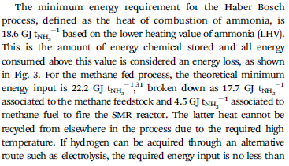
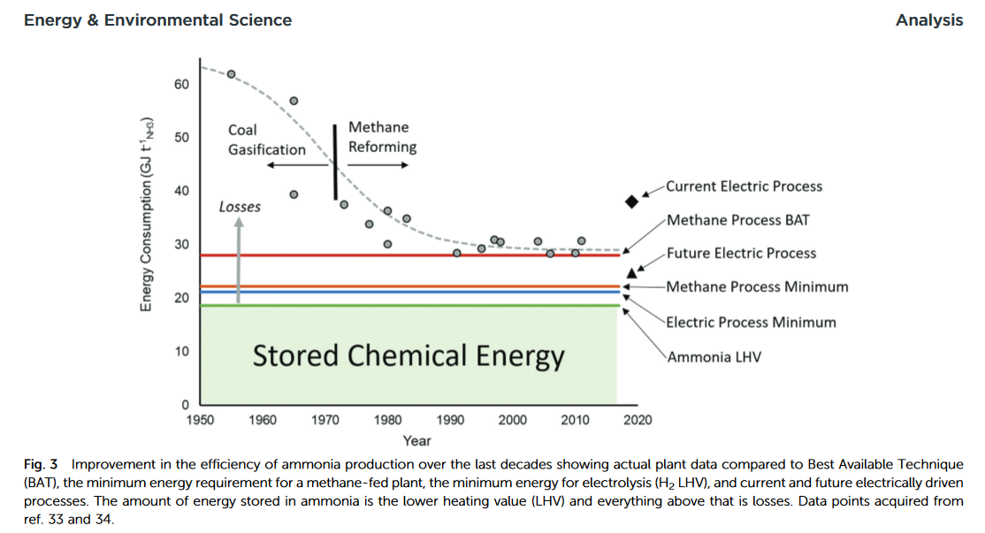

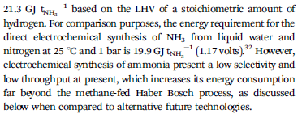

 |  |  | Year | Metrics | Unit | Value
 |  |  |  | LHV | GJ/ton | 18.6
 |  |  |  | Methne Process Minimum | GJ/ton | 22.2
 |  |  |  | Electric Process Minimum | GJ/ton | 21.3
 |  |  | 2020 | Methane Process BAT | GJ/ton | 29.6

Data from line of best fit from Figure 3
Year | Value
1950 | 62.33
1955 | 60.67
1960 | 57.78
1965 | 52.89
1970 | 46.22
1975 | 40.44
1980 | 35.00
1985 | 32.00
1990 | 30.56
1995 | 29.44
2000 | 29.11
2005 | 29.00
2010 | 28.78
2015 | 28.67
2020 | 28.67

Interpolated data
Year | Value | Source/Method
1950 | 62.33 | Smith et al (2020)
1951 | 62.00 | Linear interpolation
1952 | 61.67 | Linear interpolation
1953 | 61.33 | Linear interpolation
1954 | 61.00 | Linear interpolation
1955 | 60.67 | Smith et al (2020)
1956 | 60.09 | Linear interpolation
1957 | 59.51 | Linear interpolation
1958 | 58.93 | Linear interpolation
1959 | 58.36 | Linear interpolation
1960 | 57.78 | Smith et al (2020)
1961 | 56.80 | Linear interpolation
1962 | 55.82 | Linear interpolation
1963 | 54.84 | Linear interpolation
1964 | 53.87 | Linear interpolation
1965 | 52.89 | Smith et al (2020)
1966 | 51.56 | Linear interpolation
1967 | 50.22 | Linear interpolation
1968 | 48.89 | Linear interpolation
1969 | 47.56 | Linear interpolation
1970 | 46.22 | Smith et al (2020)
1971 | 45.07 | Linear interpolation
1972 | 43.91 | Linear interpolation
1973 | 42.76 | Linear interpolation
1974 | 41.60 | Linear interpolation
1975 | 40.44 | Smith et al (2020)
1976 | 39.36 | Linear interpolation
1977 | 38.27 | Linear interpolation
1978 | 37.18 | Linear interpolation
1979 | 36.09 | Linear interpolation
1980 | 35.00 | Smith et al (2020)
1981 | 34.40 | Linear interpolation
1982 | 33.80 | Linear interpolation
1983 | 33.20 | Linear interpolation
1984 | 32.60 | Linear interpolation
1985 | 32.00 | Smith et al (2020)
1986 | 31.71 | Linear interpolation
1987 | 31.42 | Linear interpolation
1988 | 31.13 | Linear interpolation
1989 | 30.84 | Linear interpolation
1990 | 30.56 | Smith et al (2020)
1991 | 30.33 | Linear interpolation
1992 | 30.11 | Linear interpolation
1993 | 29.89 | Linear interpolation
1994 | 29.67 | Linear interpolation
1995 | 29.44 | Smith et al (2020)
1996 | 29.38 | Linear interpolation
1997 | 29.31 | Linear interpolation
1998 | 29.24 | Linear interpolation
1999 | 29.18 | Linear interpolation
2000 | 29.11 | Smith et al (2020)
2001 | 29.09 | Linear interpolation
2002 | 29.07 | Linear interpolation
2003 | 29.04 | Linear interpolation
2004 | 29.02 | Linear interpolation
2005 | 29.00 | Smith et al (2020)
2006 | 28.96 | Linear interpolation
2007 | 28.91 | Linear interpolation
2008 | 28.87 | Linear interpolation
2009 | 28.82 | Linear interpolation
2010 | 28.78 | Smith et al (2020)
2011 | 28.76 | Linear interpolation
2012 | 28.73 | Linear interpolation
2013 | 28.71 | Linear interpolation
2014 | 28.69 | Linear interpolation
2015 | 28.67 | Smith et al (2020)
2016 | 28.67 | Linear interpolation
2017 | 28.67 | Linear interpolation
2018 | 28.67 | Linear interpolation
2019 | 28.67 | Linear interpolation
2020 | 28.67 | Smith et al (2020)

OTA_1983
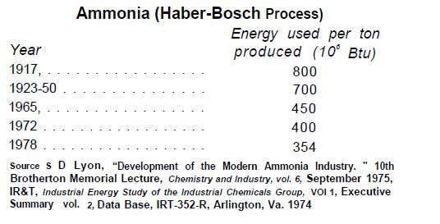
OTA (1983) - Industrial Energy Use (9-12) - Chemicals
https://ota.fas.org/reports/8312.pdf

Patzek_2004
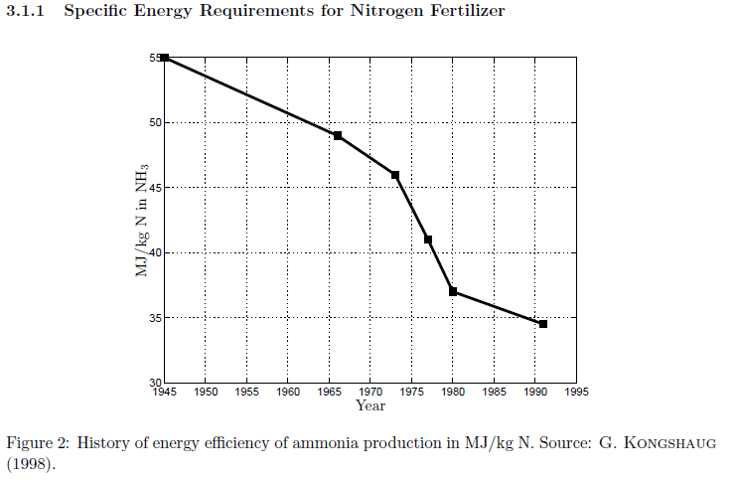
Patzek (2004) - Thermodynamics of the Corn-Ethanol Biofuel Cycle
http://dx.doi.org/10.1080/07352680490886905

Kermeli_2017
@misc{kermeli2017energy, title={Energy Efficiency and Cost Saving Opportunities for Ammonia and Nitrogenous Fertilizer Production: An ENERGY STAR{\textregistered} Guide for Energy and Plant Managers},
author={Kermeli, A and Worrell, E and Graus, WHJ and Corsten, MAM},
year={2017},
publisher={EPA-United States Environmental Protection Agency} }
Kermeli et al (2017) - Energy Efficiency and Cost Saving Opportunities for Ammonia and Nitrogenous Fertilizer Production An ENERGY STAR® Guide for Energy & Plant Managers
https://www.researchgate.net/publication/319137040_Energy_Efficiency_and_Cost_Saving_Opportunities_for_Ammonia_and_Nitrogenous_Fertilizer_Production_An_ENERGY_STARR_Guide_for_Energy_Plant_Managers
AMMONIA - ALL DATA IN GJ/tonne NH3 LHV
 | Plant SEC & Average IFA |  | Trend (Final, 1910) |  | 141.39
1910 | 190 | 1910 | 141.39 | 1910 | 141.39
1912 | 147.5 | 1912 | 139.39 | 1911 | 139.39
1915 | 117 | 1915 | 137.42 | 1912 | 137.42
1915 | 163.9 | 1915 | 135.48 | 1913 | 135.48
1917 | 136.8 | 1917 | 133.57 | 1914 | 133.57
1920 | 94.5 | 1920 | 131.68 | 1915 | 131.68
1930 | 72 | 1930 | 129.82 | 1916 | 129.82
1930 | 81.9 | 1930 | 127.99 | 1917 | 127.99
1939 | 84.4 | 1939 | 126.18 | 1918 | 126.18
1940 | 88 | 1940 | 124.39 | 1919 | 124.39
1940 | 63 | 1940 | 122.64 | 1920 | 122.64
1943 | 45.3 | 1943 | 120.90 | 1921 | 120.90
1945 | 65.7 | 1945 | 119.20 | 1922 | 119.20
1948 | 67.2 | 1948 | 117.51 | 1923 | 117.51
1950 | 54.9 | 1950 | 115.85 | 1924 | 115.85
1950 | 63 | 1950 | 114.21 | 1925 | 114.21
1952 | 65.14 | 1952 | 112.60 | 1926 | 112.60
1953 | 61.21 | 1953 | 111.01 | 1927 | 111.01
1955 | 53.72 | 1955 | 109.44 | 1928 | 109.44
1955 |  | 1955 | 107.90 | 1929 | 107.90
1960 | 45.9 | 1960 | 106.37 | 1930 | 106.37
1960 | 63 | 1960 | 104.87 | 1931 | 104.87
1960 | 51.3 | 1960 | 103.39 | 1932 | 103.39
1961 | 60.6 | 1961 | 101.93 | 1933 | 101.93
1961 | 46.18 | 1961 | 100.49 | 1934 | 100.49
1963 | 52.9 | 1963 | 99.07 | 1935 | 99.07
1963 | 44.76 | 1963 | 97.67 | 1936 | 97.67
1964 | 45.84 | 1964 | 96.29 | 1937 | 96.29
1965 | 54 | 1965 | 94.93 | 1938 | 94.93
1965 |  | 1965 | 93.58 | 1939 | 93.58
1966 | 39.5 | 1966 | 92.26 | 1940 | 92.26
1966 | 38.4 | 1966 | 90.96 | 1941 | 90.96
1966 | 39.3 | 1966 | 89.67 | 1942 | 89.67
1970 | 47 | 1970 | 88.41 | 1943 | 88.41
1970 | 50.5 | 1970 | 87.16 | 1944 | 87.16
1970 | 36 | 1970 | 85.93 | 1945 | 85.93
1970 | 34.9 | 1970 | 84.71 | 1946 | 84.71
1970 | 46.5 | 1970 | 83.51 | 1947 | 83.51
1973 | 37.6 | 1973 | 82.33 | 1948 | 82.33
1973 | 37.2 | 1973 | 81.17 | 1949 | 81.17
1973 | 37.7 | 1973 | 80.02 | 1950 | 80.02
1973 | 57.9 | 1973 | 78.89 | 1951 | 78.89
1975 | 39.8 | 1975 | 77.78 | 1952 | 77.78
1975 | 36.7 | 1975 | 76.68 | 1953 | 76.68
1975 | 27.1 | 1975 | 75.60 | 1954 | 75.60
1975 | 36.2 | 1975 | 74.53 | 1955 | 74.53
1975 | 40.9 | 1975 | 73.48 | 1956 | 73.48
1975 | 53.1 | 1975 | 72.44 | 1957 | 72.44
1976 | 35.2 | 1976 | 71.41 | 1958 | 71.41
1977 | 33.89 | 1977 | 70.40 | 1959 | 70.40
...
Year | Plant SEC | Average SEC IFA Members | Plant design efficiency | BAT 2008 | Thermodynamic limit | Best performance | 10 best plants | Plant SEC & Average IFA | Trend (Scatter) | Year | Trend (Final, 1910) | Year | Trend (Final, 1950)
1910 | 190 |  |  | 28 | 19 |  | 30.5 | 190 | 196.3767196 | 1910 | 141.39 | 1950 | 67.724683768
1912 | 147.5 |  |  | 28 | 19 |  | 30.5 | 147.5 | 190.8666188 | 1911 | 139.39 | 1951 | 67.036749472
1915 | 117 |  |  | 28 | 19 |  | 30.5 | 117 | 182.88999525 | 1912 | 137.42 | 1952 | 66.355803081
1915 | 163.9 |  |  | 28 | 19 |  | 30.5 | 163.9 | 182.88999525 | 1913 | 135.48 | 1953 | 65.681773611
1917 | 136.8 |  |  | 28 | 19 |  | 30.5 | 136.8 | 177.75831615 | 1914 | 133.57 | 1954 | 65.014590804
1920 | 94.5 |  |  | 28 | 19 |  | 30.5 | 94.5 | 170.32950968 | 1915 | 131.68 | 1955 | 64.35418511
1930 | 72 |  |  | 28 | 19 |  | 30.5 | 72 | 147.73717541 | 1916 | 129.82 | 1956 | 63.700487691
1930 | 81.9 |  |  | 28 | 19 |  | 30.5 | 81.9 | 147.73717541 | 1917 | 127.99 | 1957 | 63.053430404
1939 | 84.4 |  |  | 28 | 19 |  | 30.5 | 84.4 | 129.97795423 | 1918 | 126.18 | 1958 | 62.4129458
1940 | 88 |  |  | 28 | 19 |  | 30.5 | 88 | 128.14146555 | 1919 | 124.39 | 1959 | 61.778967116
1940 | 63 |  |  | 28 | 19 |  | 30.5 | 63 | 128.14146555 | 1920 | 122.64 | 1960 | 61.151428265
1943 | 45.3 |  |  | 28 | 19 |  | 30.5 | 45.3 | 122.78622722 | 1921 | 120.90 | 1961 | 60.530263833
1945 | 65.7 |  |  | 28 | 19 |  | 30.5 | 65.7 | 119.34098947 | 1922 | 119.20 | 1962 | 59.91540907
1948 | 67.2 |  |  | 28 | 19 |  | 30.5 | 67.2 | 114.35353722 | 1923 | 117.51 | 1963 | 59.306799882
1950 | 54.9 |  |  | 28 | 19 |  | 30.5 | 54.9 | 111.14491087 | 1924 | 115.85 | 1964 | 58.70437283
1950 | 63 |  |  | 28 | 19 |  | 30.5 | 63 | 111.14491087 | 1925 | 114.21 | 1965 | 58.108065116
1952 | 65.14 |  |  | 28 | 19 |  | 30.5 | 65.14 | 108.02631482 | 1926 | 112.60 | 1966 | 57.51781458
1953 | 61.21 |  |  | 28 | 19 |  | 30.5 | 61.21 | 106.49998595 | 1927 | 111.01 | 1967 | 56.933559696
1955 | 53.72 |  | 61.5 | 28 | 19 |  | 30.5 | 53.72 | 103.51172106 | 1928 | 109.44 | 1968 | 56.355239561
1955 |  |  |  | 28 | 19 |  | 30.5 |  | 103.51172106 | 1929 | 107.90 | 1969 | 55.78279389
1960 | 45.9 |  |  | 28 | 19 |  | 30.5 | 45.9 | 96.402762055 | 1930 | 106.37 | 1970 | 55.216163012
1960 | 63 |  |  | 28 | 19 |  | 30.5 | 63 | 96.402762055 | 1931 | 104.87 | 1971 | 54.655287861
1960 | 51.3 |  |  | 28 | 19 |  | 30.5 | 51.3 | 96.402762055 | 1932 | 103.39 | 1972 | 54.100109972
1961 | 60.6 |  |  | 28 | 19 |  | 30.5 | 60.6 | 95.040665056 | 1933 | 101.93 | 1973 | 53.550571473
1961 | 46.18 |  |  | 28 | 19 |  | 30.5 | 46.18 | 95.040665056 | 1934 | 100.49 | 1974 | 53.006615081
1963 | 52.9 |  |  | 28 | 19 |  | 30.5 | 52.9 | 92.373935288 | 1935 | 99.07 | 1975 | 52.468184092
1963 | 44.76 |  |  | 28 | 19 |  | 30.5 | 44.76 | 92.373935288 | 1936 | 97.67 | 1976 | 51.935222382
1964 | 45.84 |  |  | 28 | 19 |  | 30.5 | 45.84 | 91.068762517 | 1937 | 96.29 | 1977 | 51.407674395
1965 | 54 |  | 54.5 | 28 | 19 |  | 30.5 | 54 | 89.782030836 | 1938 | 94.93 | 1978 | 50.885485138
1965 |  |  |  | 28 | 19 |  | 30.5 |  | 89.782030836 | 1939 | 93.58 | 1979 | 50.368600179
1966 | 39.5 |  |  | 28 | 19 |  | 30.5 | 39.5 | 88.513479684 | 1940 | 92.26 | 1980 | 49.856965638
1966 | 38.4 |  |  | 28 | 19 |  | 30.5 | 38.4 | 88.513479684 | 1941 | 90.96 | 1981 | 49.350528183
1966 | 39.3 |  |  | 28 | 19 |  | 30.5 | 39.3 | 88.513479684 | 1942 | 89.67 | 1982 | 48.849235021
1970 | 47 |  |  | 28 | 19 |  | 30.5 | 47 | 83.615996981 | 1943 | 88.41 | 1983 | 48.353033899
1970 | 50.5 |  |  | 28 | 19 |  | 30.5 | 50.5 | 83.615996981 | 1944 | 87.16 | 1984 | 47.861873092
 | Plant SEC & Average IFA |  | Trend (Final, 1950)
1950 | 54.9 | 1950 | 67.724683768
1950 | 63 | 1951 | 67.036749472
1952 | 65.14 | 1952 | 66.355803081
1953 | 61.21 | 1953 | 65.681773611
1955 | 53.72 | 1954 | 65.014590804
1955 |  | 1955 | 64.35418511
1960 | 45.9 | 1956 | 63.700487691
1960 | 63 | 1957 | 63.053430404
1960 | 51.3 | 1958 | 62.4129458
1961 | 60.6 | 1959 | 61.778967116
1961 | 46.18 | 1960 | 61.151428265
1963 | 52.9 | 1961 | 60.530263833
1963 | 44.76 | 1962 | 59.91540907
1964 | 45.84 | 1963 | 59.306799882
1965 | 54 | 1964 | 58.70437283
1965 |  | 1965 | 58.108065116
1966 | 39.5 | 1966 | 57.51781458
1966 | 38.4 | 1967 | 56.933559696
1966 | 39.3 | 1968 | 56.355239561
1970 | 47 | 1969 | 55.78279389
1970 | 50.5 | 1970 | 55.216163012
1970 | 36 | 1971 | 54.655287861
1970 | 34.9 | 1972 | 54.100109972
1970 | 46.5 | 1973 | 53.550571473
1973 | 37.6 | 1974 | 53.006615081
1973 | 37.2 | 1975 | 52.468184092
1973 | 37.7 | 1976 | 51.935222382
1973 | 57.9 | 1977 | 51.407674395
1975 | 39.8 | 1978 | 50.885485138
1975 | 36.7 | 1979 | 50.368600179
1975 | 27.1 | 1980 | 49.856965638
1975 | 36.2 | 1981 | 49.350528183
1975 | 40.9 | 1982 | 48.849235021
1975 | 53.1 | 1983 | 48.353033899
1976 | 35.2 | 1984 | 47.861873092
1977 | 33.89 | 1985 | 47.375701402
1977 | 34 | 1986 | 46.89446815
1977 | 55 | 1987 | 46.418123173
1978 | 50 | 1988 | 45.946616817
1979 | 46.9 | 1989 | 45.479899932
1979 | 54 | 1990 | 45.017923866
1979 | 61.9 | 1991 | 44.560640465
1979 | 47.3 | 1992 | 44.10800206
1980 | 43.5 | 1993 | 43.659961469
1980 | 42 | 1994 | 43.216471989
1980 | 38.2 | 1995 | 42.777487389
1980 | 30.2 | 1996 | 42.342961909
1980 | 27 | 1997 | 41.912850257
1980 | 48 | 1998 | 41.487107595
1980 | 30.3 | 1999 | 41.065689545
...
1970 | 36 |  |  | 28 | 19 |  | 30.5 | 36 | 83.615996981 | 1945 | 85.93 | 1985 | 47.375701402
1970 | 34.9 |  |  | 28 | 19 |  | 30.5 | 34.9 | 83.615996981 | 1946 | 84.71 | 1986 | 46.89446815
1970 | 46.5 |  |  | 28 | 19 |  | 30.5 | 46.5 | 83.615996981 | 1947 | 83.51 | 1987 | 46.418123173
1973 | 37.6 |  |  | 28 | 19 |  | 30.5 | 37.6 | 80.121549731 | 1948 | 82.33 | 1988 | 45.946616817
1973 | 37.2 |  |  | 28 | 19 |  | 30.5 | 37.2 | 80.121549731 | 1949 | 81.17 | 1989 | 45.479899932
1973 | 37.7 |  |  | 28 | 19 |  | 30.5 | 37.7 | 80.121549731 | 1950 | 80.02 | 1990 | 45.017923866
1973 | 57.9 |  |  | 28 | 19 |  | 30.5 | 57.9 | 80.121549731 | 1951 | 78.89 | 1991 | 44.560640465
1975 | 39.8 |  | 36.9 | 28 | 19 |  | 30.5 | 39.8 | 77.873432869 | 1952 | 77.78 | 1992 | 44.10800206
1975 | 36.7 |  |  | 28 | 19 |  | 30.5 | 36.7 | 77.873432869 | 1953 | 76.68 | 1993 | 43.659961469
1975 | 27.1 |  |  | 28 | 19 |  | 30.5 | 27.1 | 77.873432869 | 1954 | 75.60 | 1994 | 43.216471989
1975 | 36.2 |  |  | 28 | 19 |  | 30.5 | 36.2 | 77.873432869 | 1955 | 74.53 | 1995 | 42.777487389
1975 | 40.9 |  |  | 28 | 19 |  | 30.5 | 40.9 | 77.873432869 | 1956 | 73.48 | 1996 | 42.342961909
1975 | 53.1 |  |  | 28 | 19 |  | 30.5 | 53.1 | 77.873432869 | 1957 | 72.44 | 1997 | 41.912850257
1976 | 35.2 |  |  | 28 | 19 |  | 30.5 | 35.2 | 76.773141062 | 1958 | 71.41 | 1998 | 41.487107595
1977 | 33.89 |  |  | 28 | 19 |  | 30.5 | 33.89 | 75.688395534 | 1959 | 70.40 | 1999 | 41.065689545
1977 | 34 |  |  | 28 | 19 |  | 30.5 | 34 | 75.688395534 | 1960 | 69.41 | 2000 | 40.648552179
1977 | 55 |  |  | 28 | 19 |  | 30.5 | 55 | 75.688395534 | 1961 | 68.43 | 2001 | 40.235652014
1978 | 50 |  |  | 28 | 19 |  | 30.5 | 50 | 74.618976626 | 1962 | 67.46 | 2002 | 39.826946009
1979 | 46.9 |  |  | 28 | 19 |  | 30.5 | 46.9 | 73.564667787 | 1963 | 66.51 | 2003 | 39.422391561
1979 | 54 |  |  | 28 | 19 |  | 30.5 | 54 | 73.564667787 | 1964 | 65.57 | 2004 | 39.021946499
1979 | 61.9 |  |  | 28 | 19 |  | 30.5 | 61.9 | 73.564667787 | 1965 | 64.64 | 2005 | 38.625569081
1979 | 47.3 |  |  | 28 | 19 |  | 30.5 | 47.3 | 73.564667787 | 1966 | 63.73 | 2006 | 38.233217989
1980 | 43.5 |  |  | 28 | 19 |  | 30.5 | 43.5 | 72.525255522 | 1967 | 62.83 | 2007 | 37.844852323
1980 | 42 |  |  | 28 | 19 |  | 30.5 | 42 | 72.525255522 | 1968 | 61.94 | 2008 | 37.460431601
1980 | 38.2 |  |  | 28 | 19 |  | 30.5 | 38.2 | 72.525255522 | 1969 | 61.07 | 2009 | 37.079915751
1980 | 30.2 |  |  | 28 | 19 |  | 30.5 | 30.2 | 72.525255522 | 1970 | 60.20 | 2010 | 36.703265107
1980 | 27 |  |  | 28 | 19 |  | 30.5 | 27 | 72.525255522 | 1971 | 59.35 | 2011 | 36.330440409
1980 | 48 |  |  | 28 | 19 |  | 30.5 | 48 | 72.525255522 | 1972 | 58.51 | 2012 | 35.961402791
1980 | 30.3 |  |  | 28 | 19 |  | 30.5 | 30.3 | 72.525255522 | 1973 | 57.69 | 2013 | 35.596113787
1981 | 47.8 |  |  | 28 | 19 |  | 30.5 | 47.8 | 71.500529354 | 1974 | 56.87 | 2014 | 35.234535318
1981 | 42.2 |  |  | 28 | 19 |  | 30.5 | 42.2 | 71.500529354 | 1975 | 56.07 | 2015 | 34.876629693
1982 | 41.6 |  |  | 28 | 19 |  | 30.5 | 41.6 | 70.49028178 | 1976 | 55.28 | 2016 | 34.522359605
10 best ammonia plants in 2008 IFA Benchmarking (BPT)
1982 | 44.5 |  |  | 28 | 19 |  | 30.5 | 44.5 | 70.49028178 | 1977 | 54.50 | 2017 | 34.171688124
1982 | 39.3 |  |  | 28 | 19 |  | 30.5 | 39.3 | 70.49028178 | 1978 | 53.73 | 2018 | 33.824578697
1983 | 41 |  |  | 28 | 19 |  | 30.5 | 41 | 69.494308229 | 1979 | 52.97 | 2019 | 33.48099514
1983 | 45.3 |  |  | 28 | 19 |  | 30.5 | 45.3 | 69.494308229 | 1980 | 52.22 | 2020 | 33.140901639
1983 | 44.4 |  |  | 28 | 19 |  | 30.5 | 44.4 | 69.494308229 | 1981 | 51.48
1983 | 29.1 |  |  | 28 | 19 |  | 30.5 | 29.1 | 69.494308229 | 1982 | 50.75
 | Thermodynamic limit |  | BAT 2008 |  | Plant SEC |  | Plant design efficiency |  | 10 best plants |  | Average SEC IFA Members
1910 | 19 | 1910 | 28 | 1910 | 190 | 1910 |  | 1910 | 30.5 | 1910
1912 | 19 | 1912 | 28 | 1912 | 147.5 | 1912 |  | 1912 | 30.5 | 1912
1915 | 19 | 1915 | 28 | 1915 | 117 | 1915 |  | 1915 | 30.5 | 1915
1915 | 19 | 1915 | 28 | 1915 | 163.9 | 1915 |  | 1915 | 30.5 | 1915
1917 | 19 | 1917 | 28 | 1917 | 136.8 | 1917 |  | 1917 | 30.5 | 1917
1920 | 19 | 1920 | 28 | 1920 | 94.5 | 1920 |  | 1920 | 30.5 | 1920
1930 | 19 | 1930 | 28 | 1930 | 72 | 1930 |  | 1930 | 30.5 | 1930
1930 | 19 | 1930 | 28 | 1930 | 81.9 | 1930 |  | 1930 | 30.5 | 1930
1939 | 19 | 1939 | 28 | 1939 | 84.4 | 1939 |  | 1939 | 30.5 | 1939
1940 | 19 | 1940 | 28 | 1940 | 88 | 1940 |  | 1940 | 30.5 | 1940
1940 | 19 | 1940 | 28 | 1940 | 63 | 1940 |  | 1940 | 30.5 | 1940
1943 | 19 | 1943 | 28 | 1943 | 45.3 | 1943 |  | 1943 | 30.5 | 1943
1945 | 19 | 1945 | 28 | 1945 | 65.7 | 1945 |  | 1945 | 30.5 | 1945
1948 | 19 | 1948 | 28 | 1948 | 67.2 | 1948 |  | 1948 | 30.5 | 1948
1950 | 19 | 1950 | 28 | 1950 | 54.9 | 1950 |  | 1950 | 30.5 | 1950
1950 | 19 | 1950 | 28 | 1950 | 63 | 1950 |  | 1950 | 30.5 | 1950
1952 | 19 | 1952 | 28 | 1952 | 65.14 | 1952 |  | 1952 | 30.5 | 1952
1953 | 19 | 1953 | 28 | 1953 | 61.21 | 1953 |  | 1953 | 30.5 | 1953
1955 | 19 | 1955 | 28 | 1955 | 53.72 | 1955 | 61.5 | 1955 | 30.5 | 1955
1955 | 19 | 1955 | 28 | 1955 |  | 1955 |  | 1955 | 30.5 | 1955
1960 | 19 | 1960 | 28 | 1960 | 45.9 | 1960 |  | 1960 | 30.5 | 1960
1960 | 19 | 1960 | 28 | 1960 | 63 | 1960 |  | 1960 | 30.5 | 1960
1960 | 19 | 1960 | 28 | 1960 | 51.3 | 1960 |  | 1960 | 30.5 | 1960
1961 | 19 | 1961 | 28 | 1961 | 60.6 | 1961 |  | 1961 | 30.5 | 1961
1961 | 19 | 1961 | 28 | 1961 | 46.18 | 1961 |  | 1961 | 30.5 | 1961
1963 | 19 | 1963 | 28 | 1963 | 52.9 | 1963 |  | 1963 | 30.5 | 1963
1963 | 19 | 1963 | 28 | 1963 | 44.76 | 1963 |  | 1963 | 30.5 | 1963
1964 | 19 | 1964 | 28 | 1964 | 45.84 | 1964 |  | 1964 | 30.5 | 1964
1965 | 19 | 1965 | 28 | 1965 | 54 | 1965 | 54.5 | 1965 | 30.5 | 1965
1965 | 19 | 1965 | 28 | 1965 |  | 1965 |  | 1965 | 30.5 | 1965
1966 | 19 | 1966 | 28 | 1966 | 39.5 | 1966 |  | 1966 | 30.5 | 1966
1966 | 19 | 1966 | 28 | 1966 | 38.4 | 1966 |  | 1966 | 30.5 | 1966
1966 | 19 | 1966 | 28 | 1966 | 39.3 | 1966 |  | 1966 | 30.5 | 1966
1970 | 19 | 1970 | 28 | 1970 | 47 | 1970 |  | 1970 | 30.5 | 1970
1970 | 19 | 1970 | 28 | 1970 | 50.5 | 1970 |  | 1970 | 30.5 | 1970
1970 | 19 | 1970 | 28 | 1970 | 36 | 1970 |  | 1970 | 30.5 | 1970
1970 | 19 | 1970 | 28 | 1970 | 34.9 | 1970 |  | 1970 | 30.5 | 1970
1970 | 19 | 1970 | 28 | 1970 | 46.5 | 1970 |  | 1970 | 30.5 | 1970
1973 | 19 | 1973 | 28 | 1973 | 37.6 | 1973 |  | 1973 | 30.5 | 1973
1973 | 19 | 1973 | 28 | 1973 | 37.2 | 1973 |  | 1973 | 30.5 | 1973
1973 | 19 | 1973 | 28 | 1973 | 37.7 | 1973 |  | 1973 | 30.5 | 1973
1973 | 19 | 1973 | 28 | 1973 | 57.9 | 1973 |  | 1973 | 30.5 | 1973
1975 | 19 | 1975 | 28 | 1975 | 39.8 | 1975 | 36.9 | 1975 | 30.5 | 1975
1975 | 19 | 1975 | 28 | 1975 | 36.7 | 1975 |  | 1975 | 30.5 | 1975
1975 | 19 | 1975 | 28 | 1975 | 27.1 | 1975 |  | 1975 | 30.5 | 1975
1975 | 19 | 1975 | 28 | 1975 | 36.2 | 1975 |  | 1975 | 30.5 | 1975
1975 | 19 | 1975 | 28 | 1975 | 40.9 | 1975 |  | 1975 | 30.5 | 1975
1975 | 19 | 1975 | 28 | 1975 | 53.1 | 1975 |  | 1975 | 30.5 | 1975
1976 | 19 | 1976 | 28 | 1976 | 35.2 | 1976 |  | 1976 | 30.5 | 1976
1977 | 19 | 1977 | 28 | 1977 | 33.89 | 1977 |  | 1977 | 30.5 | 1977
...
1983 | 58.6 |  |  | 28 | 19 |  | 30.5 | 58.6 | 69.494308229 | 1983 | 50.04
1983 | 39.4 |  |  | 28 | 19 |  | 30.5 | 39.4 | 69.494308229 | 1984 | 49.33
1984 | 41.5 |  |  | 28 | 19 |  | 30.5 | 41.5 | 68.512407019 | 1985 | 48.63
1984 | 40.8 |  |  | 28 | 19 |  | 30.5 | 40.8 | 68.512407019 | 1986 | 47.94
1985 | 40.1 |  |  | 28 | 19 |  | 30.5 | 40.1 | 67.544379319 | 1987 | 47.27
1985 | 40 |  | 34 | 28 | 19 |  | 30.5 | 40 | 67.544379319 | 1988 | 46.60
1985 | 42.9 |  |  | 28 | 19 |  | 30.5 | 42.9 | 67.544379319 | 1989 | 45.94
1985 | 58.6 |  |  | 28 | 19 |  | 30.5 | 58.6 | 67.544379319 | 1990 | 45.29
1985 | 37.4 |  |  | 28 | 19 |  | 30.5 | 37.4 | 67.544379319 | 1991 | 44.65
1985 | 33.7 |  |  | 28 | 19 |  | 30.5 | 33.7 | 67.544379319 | 1992 | 44.02
1986 | 41.3 |  |  | 28 | 19 |  | 30.5 | 41.3 | 66.590029107 | 1993 | 43.40
1986 | 35.5 |  |  | 28 | 19 |  | 30.5 | 35.5 | 66.590029107 | 1994 | 42.79
1986 | 56.1 |  |  | 28 | 19 |  | 30.5 | 56.1 | 66.590029107 | 1995 | 42.18
1987 | 37 |  |  | 28 | 19 |  | 30.5 | 37 | 65.649163131 | 1996 | 41.59
1987 | 40.4 |  |  | 28 | 19 |  | 30.5 | 40.4 | 65.649163131 | 1997 | 41.00
1988 | 41.6 |  |  | 28 | 19 |  | 30.5 | 41.6 | 64.721590868 | 1998 | 40.42
1988 | 30.7 |  |  | 28 | 19 |  | 30.5 | 30.7 | 64.721590868 | 1999 | 39.85
1988 | 49.8 |  |  | 28 | 19 |  | 30.5 | 49.8 | 64.721590868 | 2000 | 39.28
1988 | 33.5 |  |  | 28 | 19 |  | 30.5 | 33.5 | 64.721590868 | 2001 | 38.73
1989 | 33.5 |  |  | 28 | 19 |  | 30.5 | 33.5 | 63.80712449 | 2002 | 38.18
1989 | 40.1 |  |  | 28 | 19 |  | 30.5 | 40.1 | 63.80712449 | 2003 | 37.64
1990 | 29.4 |  |  | 28 | 19 |  | 30.5 | 29.4 | 62.905578818 | 2004 | 37.11
1990 | 39.3 |  |  | 28 | 19 |  | 30.5 | 39.3 | 62.905578818 | 2005 | 36.59
1990 | 41.3 |  |  | 28 | 19 |  | 30.5 | 41.3 | 62.905578818 | 2006 | 36.07
1990 | 36.2 |  |  | 28 | 19 |  | 30.5 | 36.2 | 62.905578818 | 2007 | 35.56
1990 | 24.5 |  |  | 28 | 19 |  | 30.5 | 24.5 | 62.905578818 | 2008 | 35.06
1991 | 28 |  |  | 28 | 19 |  | 30.5 | 28 | 62.016771295 | 2009 | 34.56
1991 | 48.6 |  |  | 28 | 19 |  | 30.5 | 48.6 | 62.016771295 | 2010 | 34.07
1992 | 47 |  |  | 28 | 19 |  | 30.5 | 47 | 61.14052194 | 2011 | 33.59
1993 | 37.7 |  |  | 28 | 19 |  | 30.5 | 37.7 | 60.276653316 | 2012 | 33.12
1993 | 48 |  |  | 28 | 19 |  | 30.5 | 48 | 60.276653316 | 2013 | 32.65
1993 | 28.8 |  |  | 28 | 19 |  | 30.5 | 28.8 | 60.276653316 | 2014 | 32.19
1994 | 50 |  |  | 28 | 19 |  | 30.5 | 50 | 59.424990491 | 2015 | 31.73
1994 | 46.05 |  |  | 28 | 19 |  | 30.5 | 46.05 | 59.424990491 | 2016 | 31.29
1995 | 31.9 |  | 31 | 28 | 19 |  | 30.5 | 31.9 | 58.585361008 | 2017 | 30.84
1995 | 35.6 |  |  | 28 | 19 |  | 30.5 | 35.6 | 58.585361008 | 2018 | 30.41
1995 | 42 |  |  | 28 | 19 |  | 30.5 | 42 | 58.585361008 | 2019 | 29.98
 | Thermodynamic limit |  | BAT 2008 |  | Plant SEC |  | Plant design efficiency |  | 10 best plants |  | Average SEC IFA Members
1910 | 19 | 1910 | 28 | 1910 | 190 | 1910 |  | 1910 | 30.5 | 1910
1912 | 19 | 1912 | 28 | 1912 | 147.5 | 1912 |  | 1912 | 30.5 | 1912
1915 | 19 | 1915 | 28 | 1915 | 117 | 1915 |  | 1915 | 30.5 | 1915
1915 | 19 | 1915 | 28 | 1915 | 163.9 | 1915 |  | 1915 | 30.5 | 1915
1917 | 19 | 1917 | 28 | 1917 | 136.8 | 1917 |  | 1917 | 30.5 | 1917
1920 | 19 | 1920 | 28 | 1920 | 94.5 | 1920 |  | 1920 | 30.5 | 1920
1930 | 19 | 1930 | 28 | 1930 | 72 | 1930 |  | 1930 | 30.5 | 1930
1930 | 19 | 1930 | 28 | 1930 | 81.9 | 1930 |  | 1930 | 30.5 | 1930
1939 | 19 | 1939 | 28 | 1939 | 84.4 | 1939 |  | 1939 | 30.5 | 1939
1940 | 19 | 1940 | 28 | 1940 | 88 | 1940 |  | 1940 | 30.5 | 1940
1940 | 19 | 1940 | 28 | 1940 | 63 | 1940 |  | 1940 | 30.5 | 1940
1943 | 19 | 1943 | 28 | 1943 | 45.3 | 1943 |  | 1943 | 30.5 | 1943
1945 | 19 | 1945 | 28 | 1945 | 65.7 | 1945 |  | 1945 | 30.5 | 1945
1948 | 19 | 1948 | 28 | 1948 | 67.2 | 1948 |  | 1948 | 30.5 | 1948
1950 | 19 | 1950 | 28 | 1950 | 54.9 | 1950 |  | 1950 | 30.5 | 1950
1950 | 19 | 1950 | 28 | 1950 | 63 | 1950 |  | 1950 | 30.5 | 1950
1952 | 19 | 1952 | 28 | 1952 | 65.14 | 1952 |  | 1952 | 30.5 | 1952
1953 | 19 | 1953 | 28 | 1953 | 61.21 | 1953 |  | 1953 | 30.5 | 1953
1955 | 19 | 1955 | 28 | 1955 | 53.72 | 1955 | 61.5 | 1955 | 30.5 | 1955
1955 | 19 | 1955 | 28 | 1955 |  | 1955 |  | 1955 | 30.5 | 1955
1960 | 19 | 1960 | 28 | 1960 | 45.9 | 1960 |  | 1960 | 30.5 | 1960
1960 | 19 | 1960 | 28 | 1960 | 63 | 1960 |  | 1960 | 30.5 | 1960
1960 | 19 | 1960 | 28 | 1960 | 51.3 | 1960 |  | 1960 | 30.5 | 1960
1961 | 19 | 1961 | 28 | 1961 | 60.6 | 1961 |  | 1961 | 30.5 | 1961
1961 | 19 | 1961 | 28 | 1961 | 46.18 | 1961 |  | 1961 | 30.5 | 1961
1963 | 19 | 1963 | 28 | 1963 | 52.9 | 1963 |  | 1963 | 30.5 | 1963
1963 | 19 | 1963 | 28 | 1963 | 44.76 | 1963 |  | 1963 | 30.5 | 1963
1964 | 19 | 1964 | 28 | 1964 | 45.84 | 1964 |  | 1964 | 30.5 | 1964
1965 | 19 | 1965 | 28 | 1965 | 54 | 1965 | 54.5 | 1965 | 30.5 | 1965
1965 | 19 | 1965 | 28 | 1965 |  | 1965 |  | 1965 | 30.5 | 1965
1966 | 19 | 1966 | 28 | 1966 | 39.5 | 1966 |  | 1966 | 30.5 | 1966
1966 | 19 | 1966 | 28 | 1966 | 38.4 | 1966 |  | 1966 | 30.5 | 1966
1966 | 19 | 1966 | 28 | 1966 | 39.3 | 1966 |  | 1966 | 30.5 | 1966
1970 | 19 | 1970 | 28 | 1970 | 47 | 1970 |  | 1970 | 30.5 | 1970
1970 | 19 | 1970 | 28 | 1970 | 50.5 | 1970 |  | 1970 | 30.5 | 1970
1970 | 19 | 1970 | 28 | 1970 | 36 | 1970 |  | 1970 | 30.5 | 1970
1970 | 19 | 1970 | 28 | 1970 | 34.9 | 1970 |  | 1970 | 30.5 | 1970
1970 | 19 | 1970 | 28 | 1970 | 46.5 | 1970 |  | 1970 | 30.5 | 1970
1973 | 19 | 1973 | 28 | 1973 | 37.6 | 1973 |  | 1973 | 30.5 | 1973
1973 | 19 | 1973 | 28 | 1973 | 37.2 | 1973 |  | 1973 | 30.5 | 1973
1973 | 19 | 1973 | 28 | 1973 | 37.7 | 1973 |  | 1973 | 30.5 | 1973
1973 | 19 | 1973 | 28 | 1973 | 57.9 | 1973 |  | 1973 | 30.5 | 1973
1975 | 19 | 1975 | 28 | 1975 | 39.8 | 1975 | 36.9 | 1975 | 30.5 | 1975
1975 | 19 | 1975 | 28 | 1975 | 36.7 | 1975 |  | 1975 | 30.5 | 1975
1975 | 19 | 1975 | 28 | 1975 | 27.1 | 1975 |  | 1975 | 30.5 | 1975
1975 | 19 | 1975 | 28 | 1975 | 36.2 | 1975 |  | 1975 | 30.5 | 1975
1975 | 19 | 1975 | 28 | 1975 | 40.9 | 1975 |  | 1975 | 30.5 | 1975
1975 | 19 | 1975 | 28 | 1975 | 53.1 | 1975 |  | 1975 | 30.5 | 1975
1976 | 19 | 1976 | 28 | 1976 | 35.2 | 1976 |  | 1976 | 30.5 | 1976
1977 | 19 | 1977 | 28 | 1977 | 33.89 | 1977 |  | 1977 | 30.5 | 1977
...
1996 | 36.3 |  |  | 28 | 19 |  | 30.5 | 36.3 | 57.757594845 | 2020 | 29.55
1997 | 35.8 |  |  | 28 | 19 |  | 30.5 | 35.8 | 56.941524383
2000 | 22.9 |  |  | 28 | 19 |  | 30.5 | 22.9 | 54.561846325
2000 | 31.5 |  |  | 28 | 19 |  | 30.5 | 31.5 | 54.561846325
2000 | 28.8 |  |  | 28 | 19 |  | 30.5 | 28.8 | 54.561846325
2001 | 30 |  |  | 28 | 19 |  | 30.5 | 30 | 53.790929335
2001 | 29.7 |  |  | 28 | 19 |  | 30.5 | 29.7 | 53.790929335
2002 |  |  |  | 28 | 19 |  | 30.5 |  | 53.03090481
2003 |  |  |  | 28 | 19 |  | 30.5 |  | 52.281618848
2004 |  | 36.9 |  | 28 | 19 | 28.0-29.3 | 30.5 | 36.9 | 51.542919721
2005 |  |  | 28 | 28 | 19 |  | 30.5 |  | 50.814657846
2005 |  |  |  | 28 | 19 |  | 30.5 |  | 50.814657846
2006 |  |  |  | 28 | 19 |  | 30.5 |  | 50.096685751
2007 |  |  |  | 28 | 19 |  | 30.5 |  | 49.388858051
2008 |  | 36.6 |  | 28 | 19 | 28.0-33.0 | 30.5 | 36.6 | 48.691031413
2009 |  |  |  | 28 | 19 |  | 30.5 |  | 48.003064529
2010 |  |  | 28 | 28 | 19 |  | 30.5 |  | 47.324818089
2011 |  |  |  | 28 | 19 |  |  |  | 46.656154751
2012 |  | 36 | 25 | 28 | 19 |  |  | 36 | 45.996939112
2013 |  |  |  |  |  |  |  |  | 45.347037684
2014 |  |  |  |  |  |  |  |  | 44.706318864
2015 |  |  |  |  |  |  |  |  | 44.074652908
2016 |  |  |  |  |  |  |  |  | 43.451911908
2017 |  |  |  |  |  |  |  |  | 42.83796976
2018 |  |  |  |  |  |  |  |  | 42.232702143
2019 |  |  |  |  |  |  |  |  | 41.635986492
2020 |  |  |  |  |  |  |  |  | 41.047701976

Sources:
IFA, 2009. ENERGY EFFICIENCY AND CO2 EMISSIONS IN AMMONIA PRODUCTION.
IFA, 2014. Ammonia production: moving towards maximum efficiency and lower GHG emissions. http://www.fertilizer.org/imis20/images/Library_Downloads/2014_ifa_ff_ammonia_emissions_july.pdf?WebsiteKey=411e9724-4bda-422f-abfc-8152ed74f306&=404%3bhttp%3a%2f%2fwww.fertilizer.org%3a80%2fen%2fimages%2fLibrary_Downloads%2f2014_ifa_ff_ammonia_emissions_july.pdf
IPCC, 2008. IPCC Fourth Assessment Report, Working Group III: Chapter 7. http://www.eoearth.org/view/article/153713/

DOE_2007
DOE (2007) - U.S. Energy requirements for Aluminum production
https://www1.eere.energy.gov/manufacturing/resources/aluminum/pdfs/al_theoretical.pdf

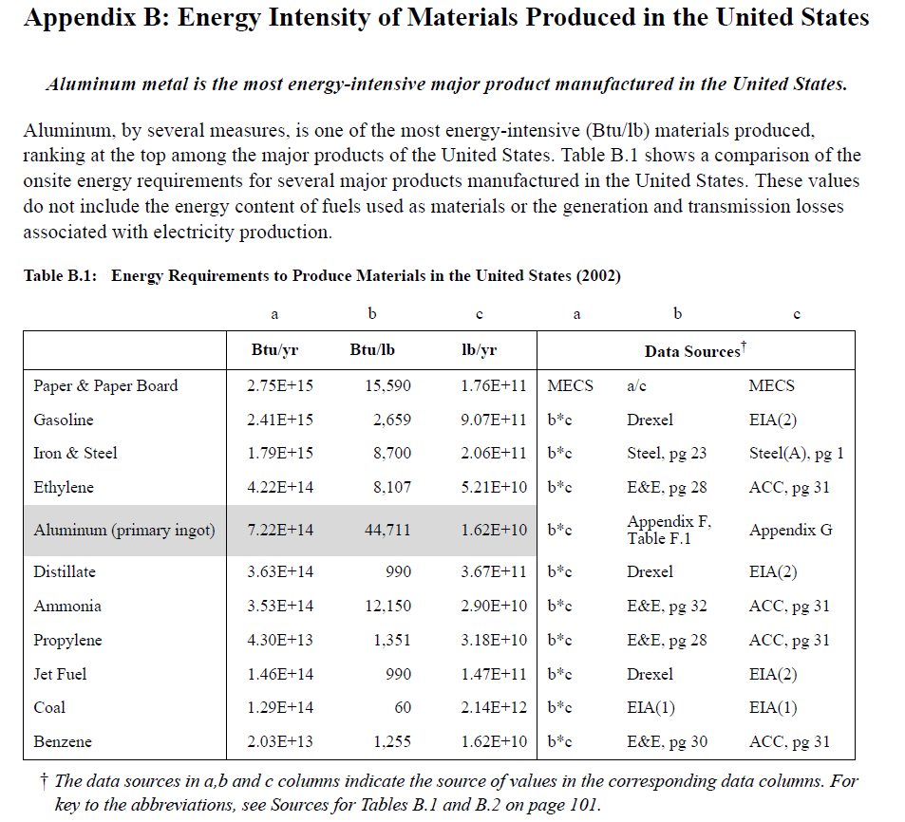

Year | Country | Product | Energy intensity [Btu/lb] | Energy intensity [GJ/ton]
2002 | USA | Ammonia | 12150 | 28.26
2002 | USA | Ethylene | 8107 | 18.86
2002 | USA | Propylene | 1351 | 3.14
2002 | USA | Benzene | 1255 | 2.92
2002 | USA | Distillate | 990 | 2.30

Rafiqul_2005
Rafiqul et al (2005) - Energy efficiency improvements in ammonia production—perspectives and uncertainties
https://www.sciencedirect.com/science/article/pii/S0360544204004943?casa_token=BiAfkmhLi_MAAAAA:hhEQ7yjYwaXAZgyC2EnueXCjB65B2so2unBEPkC6tCwuBEigKmyfNfY76PrPzCFa2q529wPItQ
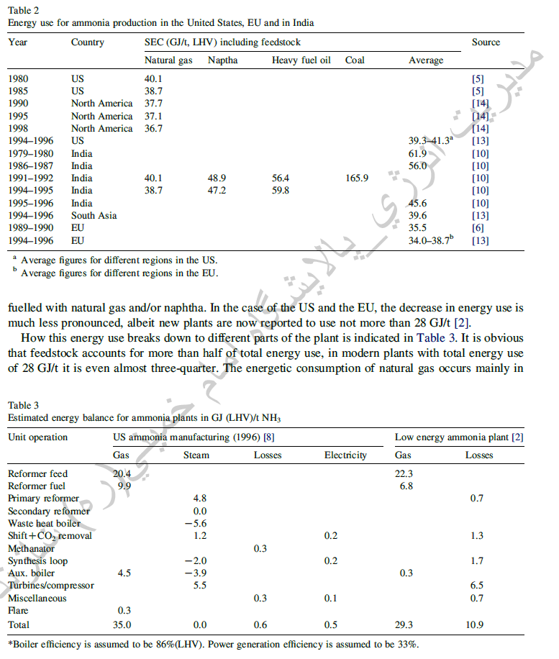
Year | Country | Energy Intensity [GJ/ton]
1980 | USA
1985 | USA
1990 | NAM
1995 | NAM
1998 | NAM
1995 | USA | 40.3
1979 | IND | 61.9
1986 | IND | 56
1991 | IND
1994 | IND
1995 | IND | 45.6
1995 | IND | 39.6
1994 | SAS | 35.5
1989 | EU | 36.35
1994 | EU

IEA_2007
IEA (2007) - IEA, Tracking Industrial Energy Efficiency and CO2 Emissions
https://www.researchgate.net/publication/279804486_IEA_Tracking_Industrial_Energy_Efficiency_and_CO2_Emissions
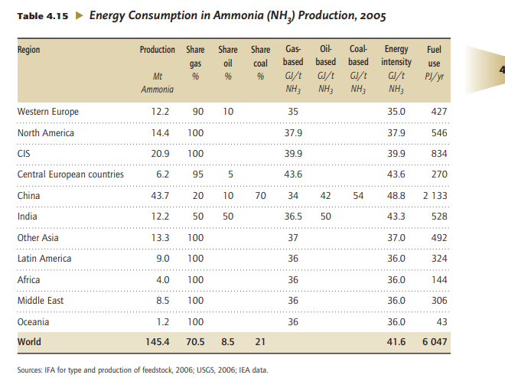
Year | Country | Energy Intensity [GJ/ton]
2005 | WEU | 35
2005 | NAM | 37.9
2005 | CIS | 39.9
2005 | CEU | 43.6
2005 | CHN | 48.8
2005 | IND | 43.3
2005 | OAS | 37
2005 | LAM | 36
2005 | AFR | 36
2005 | MEA | 36
2005 | OCN | 36
2005 | World | 41.6

IEA 2009
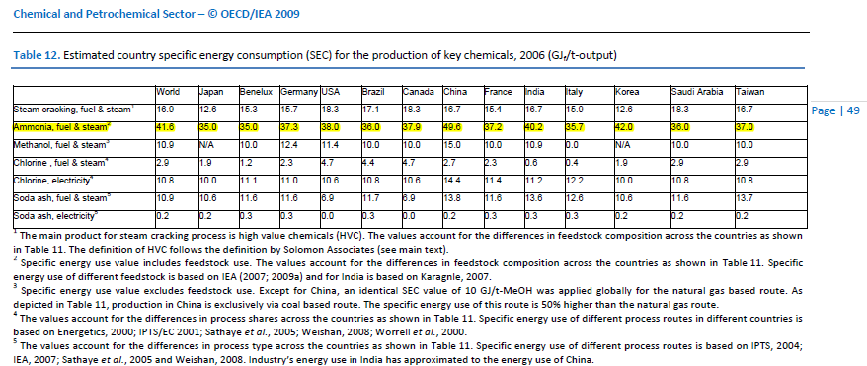
China - 49.6GJ/tes in 2006

see Table 12 of | http://www.iea.org/publications/freepublications/publication/chemical_petrochemical_sector.pdf

Heath_1985
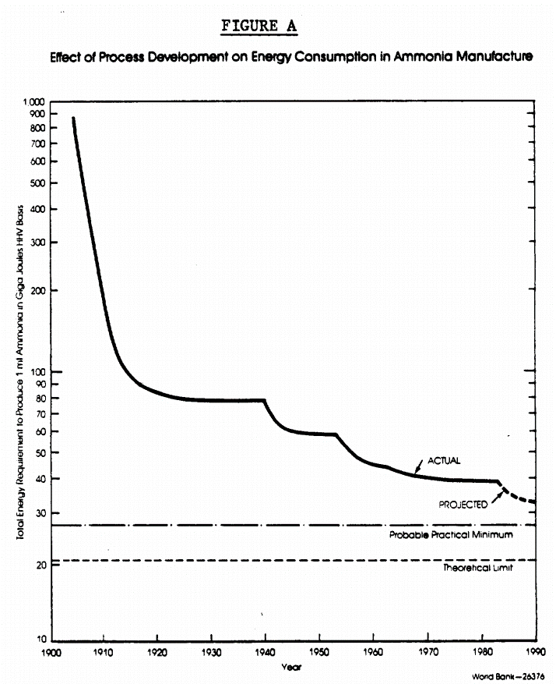
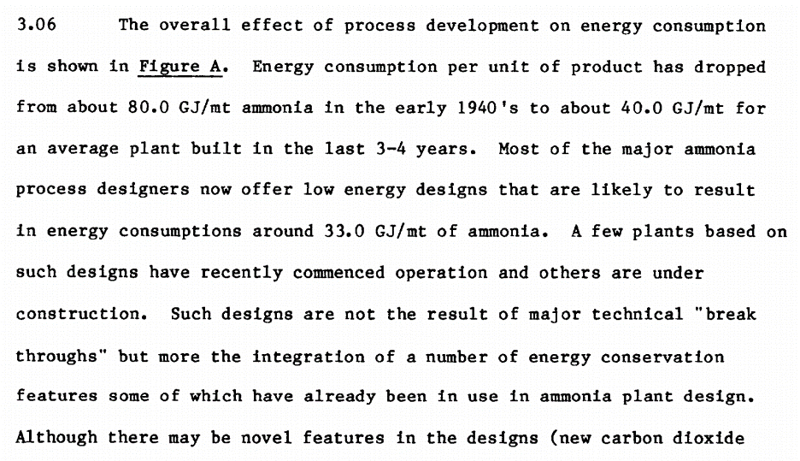
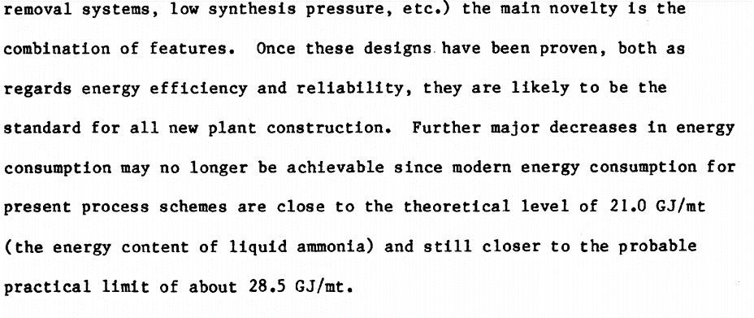
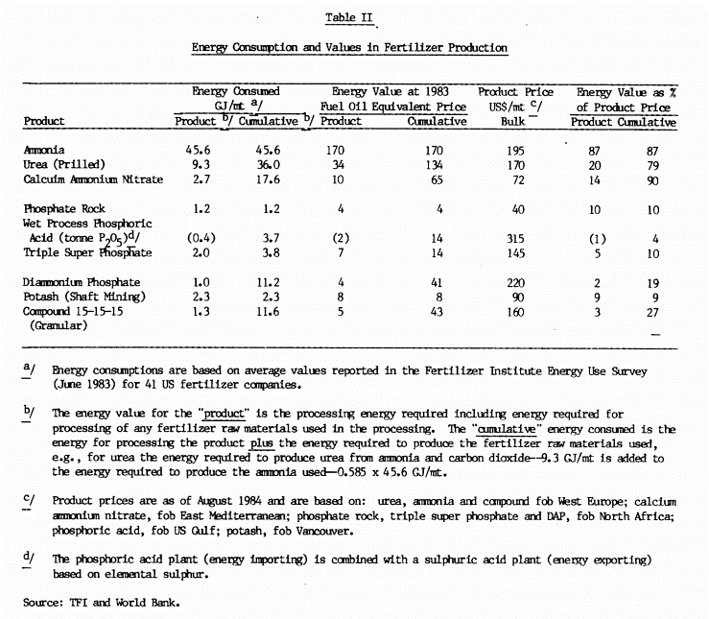
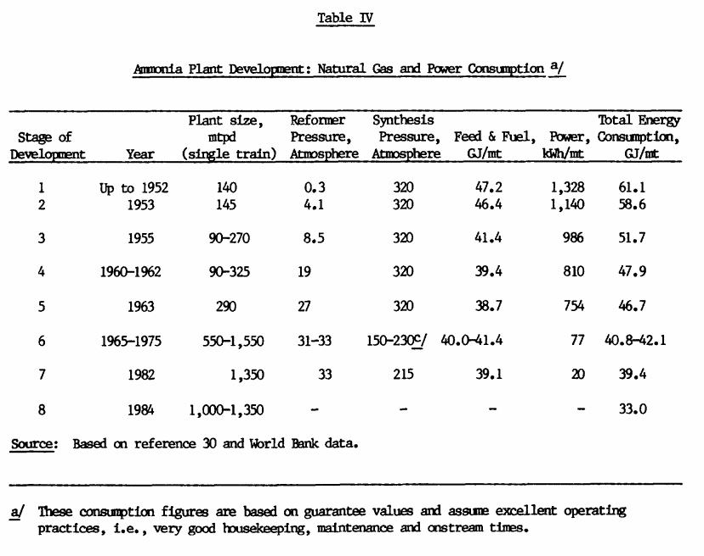
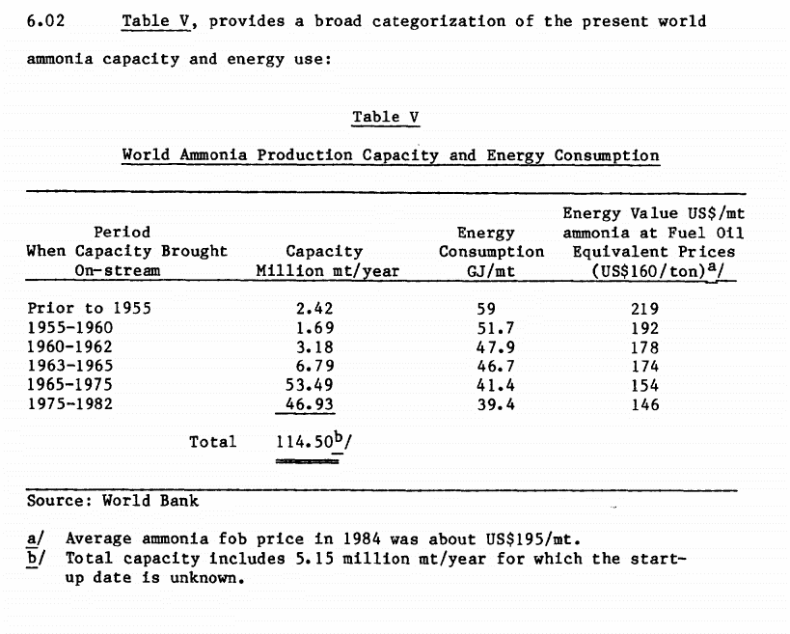
Heath et al (1985) - The Potential for Energy Efficiency in the Fertiliser Industry
http://documents1.worldbank.org/curated/en/930741468739305174/pdf/multi-page.pdf

Table IV/Table V
Country | Year | Energy Intensity [GJ/ton]
World | 1952 | 61.1
World | 1953 | 58.6
World | 1955 | 51.7
World | 1960 | 47.9
World | 1963 | 46.7
World | 1970 | 41.45
World | 1982 | 39.4
World | 1984 | 33

Figure A
Country | Year | Energy Intensity [GJ/ton]
World | 1940 | 80

Constant_1992
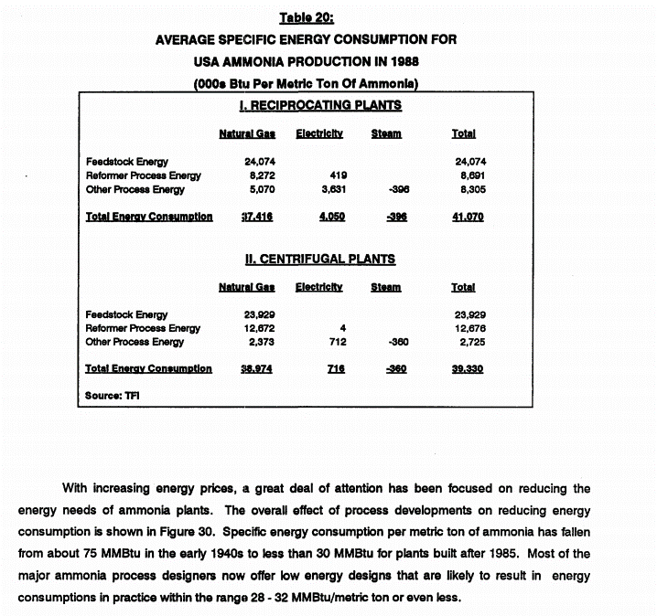
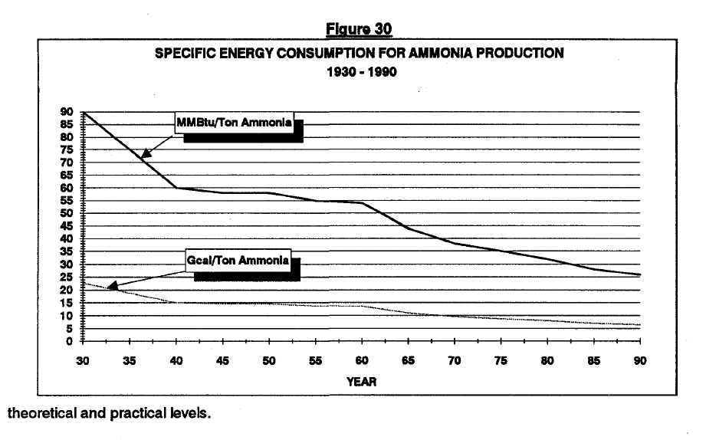
Constant & Sheldrick (1992) - World Nitrogen Survey
http://documents1.worldbank.org/curated/en/965921468766220943/pdf/multi-page.pdf

Table 20
Country | Year | Energy Intensity [1000Btu/ton] | Energy Intensity [GJ/ton]
USA | 1988 | 37416 | 39.47

Paragraph below Table 20
Country | Year | Energy Intensity [MMBtu/ton] | Energy Intensity [GJ/ton]
USA | 1940 | 75 | 79.13
USA | 1985 | 30 | 31.65

Figure 30
Country | Year | Energy Intensity [MMBtu/ton] | Energy Intensity [GJ/ton]

Sheldrick_1987
Sheldrick (1987) - World Nitrogen Survey
http://documents1.worldbank.org/curated/en/963761468739213764/pdf/multi-page.pdf

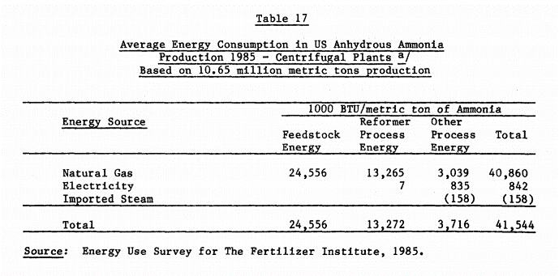

Table 17
Country | Year | Energy Intensity [1000Btu/ton] | Energy Intensity [GJ/ton]
USA | 1985 | 41544 | 43.83

Goldemberg_1985
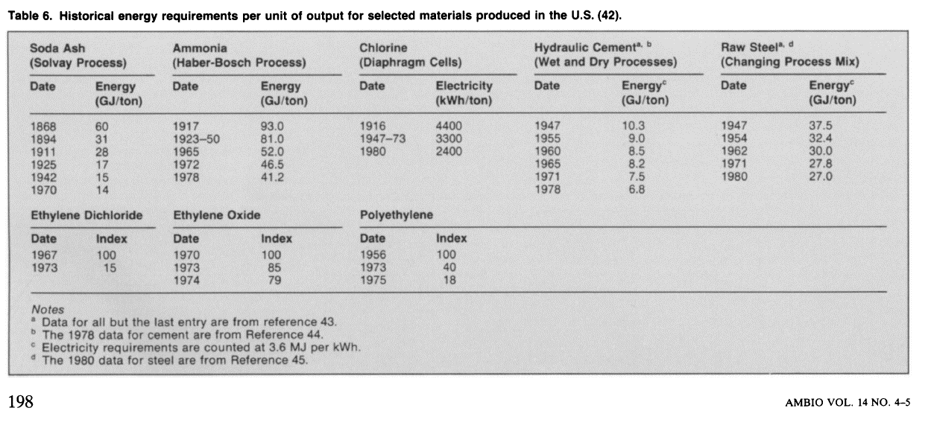
Goldemberg (1985) - Basic Needs and Much More with One Kilowatt per Capita
https://www.jstor.org/stable/4313148?seq=1#metadata_info_tab_contents

Ammonia
Year | Energy Intensity [GJ/ton]
1917 | 93
1923-50 | 81
1965 | 52
1972 | 46.5
1978 | 41.2

DOE_2000
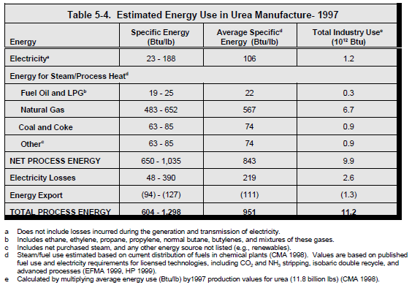
DOE (2000) - Energy and Environmental Profile of the U.S. Chemical Industry
https://www.osti.gov/biblio/773773
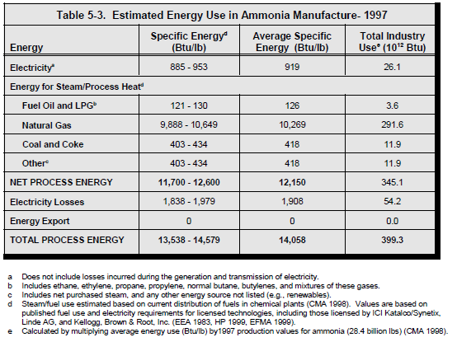
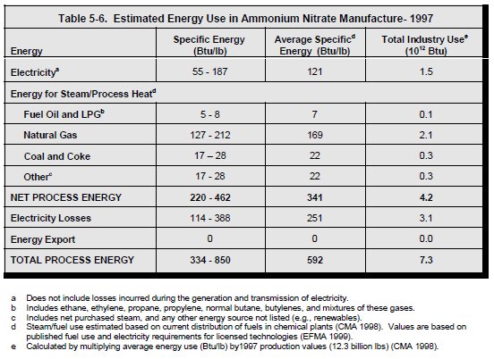

Table 5-3
Country | Year | Energy Intensity [Btu/lb] | Energy Intensity [GJ/ton]
USA | 1997 | 12150 | 28.260901269

Saygin_2011
Saygin et al (2011) - Potential of best practice technology to improve energy efficiency in the globalchemical and petrochemical sector
https://www.sciencedirect.com/science/article/pii/S0360544211003446?casa_token=kWMGil4J7UoAAAAA:aEcFJWf7NSa17-uvknymB30rjiXxHA3ZAKQnfhuL4uhANcx5e94VbB5xCRGrWaYaJHvH0r2y_g

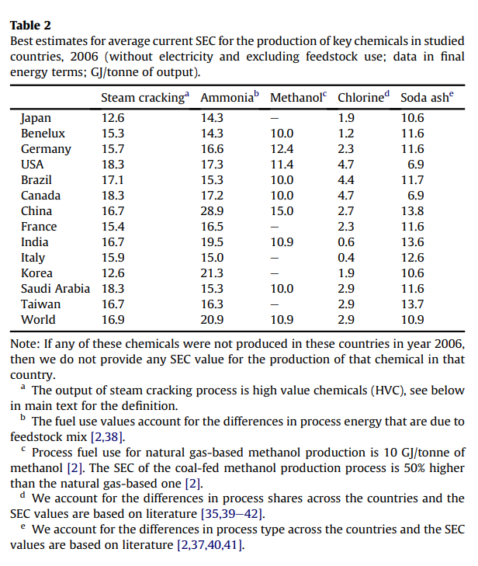
 |  | Energy intensity [GJ/ton]
Country | Year | Steam Cracking | Ammonia | Methanol | Chlorine | Soda ash
JPN | 2006 | 12.6 | 14.3 | - | 1.9 | 10.6
BEL | 2006 | 15.3 | 14.3 | 10 | 1.2 | 11.6
NLD | 2006 | 15.3 | 14.3 | 10 | 1.2 | 11.6
LUX | 2006 | 15.3 | 14.3 | 10 | 1.2 | 11.6
DEU | 2006 | 15.7 | 16.6 | 12.4 | 2.3 | 11.6
USA | 2006 | 18.3 | 17.3 | 11.4 | 4.7 | 6.9
BRA | 2006 | 17.1 | 15.3 | 10 | 4.4 | 11.7
CAN | 2006 | 18.3 | 17.2 | 10 | 4.7 | 6.9
CHN | 2006 | 16.7 | 28.9 | 15 | 2.7 | 13.8
FRA | 2006 | 15.9 | 16.5 | - | 2.3 | 11.6
IND | 2006 | 12.6 | 19.5 | 10.9 | 0.6 | 13.6
ITA | 2006 | 18.3 | 15 | - | 0.4 | 1.6
KOR | 2006 | 16.7 | 21.3 | - | 1.9 | 10.6
SAU | 2006 | 18.3 | 15.3 | 10 | 2.9 | 11.6
TWN | 2006 | 16.7 | 16.3 | - | 2.9 | 13.7
World | 2006 | 16.9 | 20.9 | 10.9 | 2.9 | 10.9

ChemExergy
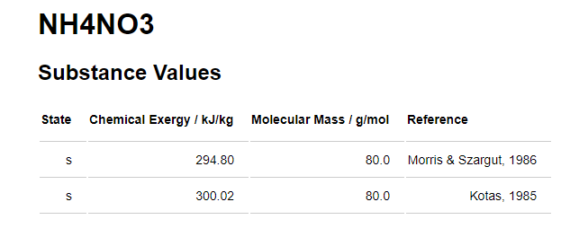
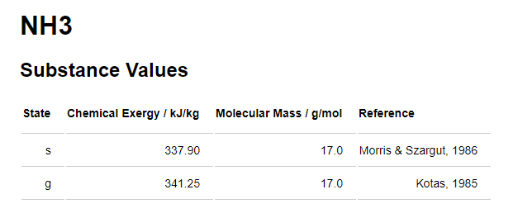
 | Chemical Exergy [kJ/kg] | Chemical Exergy [kJ/ton] | Chemical Exergy [GJ/ton]
NH3 | 337.9 | 337900 | 0.3379

Worrel_2000
Worrell (2000) - Energy Use and Energy Intensity of the U.S. Chemical Industry
https://www.osti.gov/biblio/773773

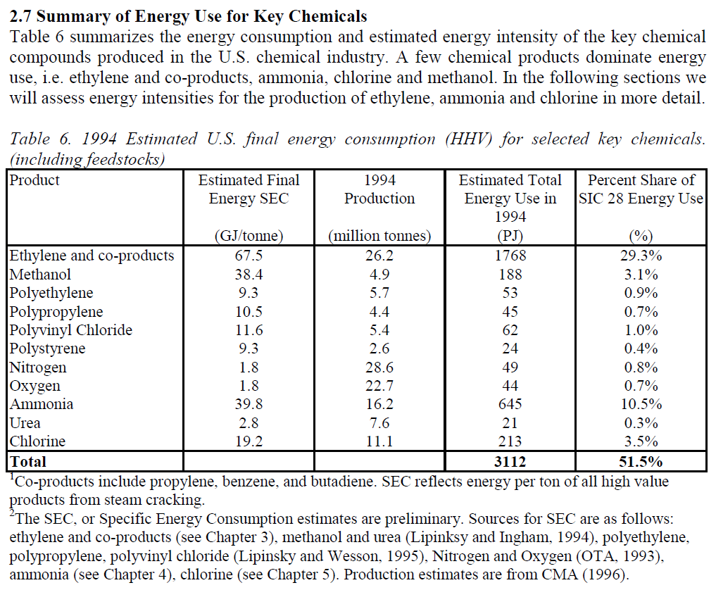
Year | Machine | Energy Intensity [GJ/ton]
1994 | Ammonia synthesis machine | 39.4

Schumacher_1999
Schumacher & Sathye (1999) - India's Fertiliser Industry: Productivity and Energy Efficiency
https://www.osti.gov/biblio/764326
 |  |  | Gcal | GJ
Year | Energy Intensity [Gcal/Mt] | Energy Intensity [GJ/ton] | 1 | 4.19
1979 | 14.8 | 62.012
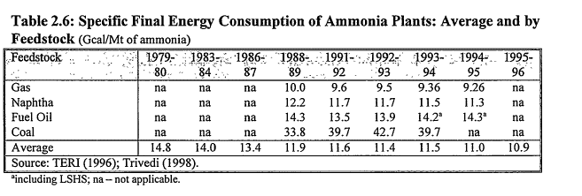
1980 | 14.8 | 62.012
1981 | 14 | 58.66
1982 | 14 | 58.66
1983 | 13.4 | 56.146
1984 | 13.4 | 56.146
1985 | 11.9 | 49.861
1986 | 11.9 | 49.861
1987 | 11.6 | 48.604
1988 | 11.6 | 48.604
1989 | 11.4 | 47.766
1990 | 11.4 | 47.766
1991 | 11.5 | 48.185
1992 | 11.5 | 48.185
1993 | 11 | 46.09
1994 | 11 | 46.09
1995 | 10.9 | 45.671
1996 | 10.9 | 45.671

Dahmus_2014
Nitrogen Fertilizer

Year | Worldwide - Total Nitrogen Production (million metric tons nitrogen)1 | Worldwide - Total Nitrogen Production (billion kilograms nitrogen) | Worldwide - Total energy consumed per tonne of NH3 produced (GJ per tonne NH3)2 | Worldwide Efficiency - Total kg of nitrogen produced per GJ of energy consumed (kg per GJ) | Annual change in efficiency (Δe/e) | Annual change in quantity (ΔQ/Q) | Decade | Average annual change in efficiency (Δe/e) by decade | Average annual change in quantity (ΔQ/Q) by decade | Average ΔQ/Q / Average Δe/e
1924 | 0.397 | 0.397 | 97.97 | 8.40
1925 | 0.458 | 0.458 | 97.47 | 8.44 | 0.5% | 15.4%
1926 | 0.529 | 0.529 | 96.97 | 8.48 | 0.5% | 15.4%
1927 | 0.611 | 0.611 | 96.47 | 8.53 | 0.5% | 15.4%
1928 | 0.705 | 0.705 | 95.98 | 8.57 | 0.5% | 15.4%
1929 | 0.813 | 0.813 | 95.49 | 8.61 | 0.5% | 15.4%
1930 | 0.939 | 0.939 | 95.00 | 8.66 | 0.5% | 15.4% | 1930-1939 | 0.7% | 10.0% | 13.5
1931 | 1.02 | 1.02 | 94.28 | 8.72 | 0.8% | 8.2%
1932 | 1.10 | 1.10 | 93.56 | 8.79 | 0.8% | 8.2%
1933 | 1.19 | 1.19 | 92.84 | 8.86 | 0.8% | 8.2%
1934 | 1.29 | 1.29 | 92.14 | 8.93 | 0.8% | 8.2%
1935 | 1.44 | 1.44 | 91.43 | 9.00 | 0.8% | 12.1%
1936 | 1.62 | 1.62 | 90.74 | 9.06 | 0.8% | 12.1%
1937 | 1.81 | 1.81 | 90.04 | 9.13 | 0.8% | 12.1%
1938 | 2.03 | 2.03 | 89.36 | 9.20 | 0.8% | 12.1%
1939 | 2.11 | 2.11 | 88.68 | 9.28 | 0.8% | 3.6%
1940 | 2.18 | 2.18 | 88.00 | 9.35 | 0.8% | 3.6% | 1940-1949 | 0.4% | 5.2% | 13.4
1941 | 2.26 | 2.26 | 87.70 | 9.38 | 0.3% | 3.6%
1942 | 2.34 | 2.34 | 87.39 | 9.41 | 0.3% | 3.6%
1943 | 2.43 | 2.43 | 87.09 | 9.44 | 0.3% | 3.6%
1944 | 2.52 | 2.52 | 86.79 | 9.48 | 0.3% | 3.6%
1945 | 1.92 | 1.92 | 86.49 | 9.51 | 0.3% | -23.6%
1946 | 2.24 | 2.24 | 86.19 | 9.54 | 0.3% | 16.4%
1947 | 2.58 | 2.58 | 85.89 | 9.58 | 0.3% | 15.2%
1948 | 2.92 | 2.92 | 85.59 | 9.61 | 0.3% | 13.3%
1949 | 3.29 | 3.29 | 85.30 | 9.64 | 0.3% | 12.6%
1950 | 3.68 | 3.68 | 85.00 | 9.68 | 0.3% | 12.0% | 1950-1959 | 5.8% | 13.2% | 2.3
1951 | 4.25 | 4.25 | 77.91 | 10.56 | 9.1% | 15.3%
1952 | 4.85 | 4.85 | 71.42 | 11.52 | 9.1% | 14.1%
1953 | 5.49 | 5.49 | 65.46 | 12.56 | 9.1% | 13.2%
1954 | 6.18 | 6.18 | 60.00 | 13.71 | 9.1% | 12.6%
1955 | 6.92 | 6.92 | 55.00 | 14.95 | 9.1% | 12.0%
1956 | 7.94 | 7.94 | 53.28 | 15.44 | 3.2% | 14.8%
1957 | 9.08 | 9.08 | 51.61 | 15.94 | 3.2% | 14.3%
1958 | 10.32 | 10.32 | 50.00 | 16.45 | 3.2% | 13.6%
1959 | 11.34 | 11.34 | 48.70 | 16.89 | 2.7% | 9.9%
1960 | 12.42 | 12.42 | 47.43 | 17.34 | 2.7% | 9.5% | 1960-1969 | 2.2% | 10.2% | 4.6
1961 | 13.73 | 13.73 | 46.20 | 17.80 | 2.7% | 10.6%
1962 | 15.84 | 15.84 | 45.00 | 18.28 | 2.7% | 15.4%
1963 | 17.95 | 17.95 | 43.69 | 18.82 | 3.0% | 13.3%
1964 | 20.05 | 20.05 | 42.43 | 19.39 | 3.0% | 11.7%
1965 | 22.16 | 22.16 | 41.20 | 19.97 | 3.0% | 10.5%
1966 | 24.11 | 24.11 | 40.00 | 20.56 | 3.0% | 8.8%
1967 | 26.05 | 26.05 | 39.71 | 20.71 | 0.7% | 8.1%
1968 | 28.00 | 28.00 | 39.42 | 20.87 | 0.7% | 7.5%
1969 | 29.94 | 29.94 | 39.13 | 21.02 | 0.7% | 6.9%
1970 | 31.89 | 31.89 | 38.84 | 21.17 | 0.7% | 6.5% | 1970-1979 | 2.3% | 6.5% | 2.9
1971 | 34.16 | 34.16 | 38.56 | 21.33 | 0.7% | 7.1%
1972 | 36.43 | 36.43 | 38.28 | 21.49 | 0.7% | 6.6%
1973 | 38.70 | 38.70 | 38.00 | 21.64 | 0.7% | 6.2%
1974 | 40.97 | 40.97 | 36.96 | 22.25 | 2.8% | 5.9%
1975 | 43.24 | 43.24 | 35.94 | 22.88 | 2.8% | 5.5%
1976 | 46.49 | 46.49 | 34.96 | 23.53 | 2.8% | 7.5%
1977 | 49.73 | 49.73 | 34.00 | 24.19 | 2.8% | 7.0%
1978 | 52.97 | 52.97 | 32.61 | 25.22 | 4.3% | 6.5%
1979 | 56.22 | 56.22 | 31.28 | 26.30 | 4.3% | 6.1%
1980 | 59.46 | 59.46 | 30.00 | 27.42 | 4.3% | 5.8% | 1980-1989 | 1.0% | 4.2% | 4.0
1981 | 62.16 | 62.16 | 29.50 | 27.88 | 1.7% | 4.5%
1982 | 64.73 | 64.73 | 29.00 | 28.36 | 1.7% | 4.1%
1983 | 67.30 | 67.30 | 28.89 | 28.47 | 0.4% | 4.0%
1984 | 69.86 | 69.86 | 28.77 | 28.58 | 0.4% | 3.8%
1985 | 72.72 | 72.72 | 28.66 | 28.69 | 0.4% | 4.1%
1986 | 77.15 | 77.15 | 28.55 | 28.81 | 0.4% | 6.1%
1987 | 81.92 | 81.92 | 28.44 | 28.92 | 0.4% | 6.2%
1988 | 85.69 | 85.69 | 28.33 | 29.03 | 0.4% | 4.6%
1989 | 84.62 | 84.62 | 28.22 | 29.15 | 0.4% | -1.3%
1990 | 81.92 | 81.92 | 28.11 | 29.26 | 0.4% | -3.2% | 1990-1999 | 0.7% | 0.6% | 0.8
1991 | 80.61 | 80.61 | 28.00 | 29.37 | 0.4% | -1.6%
1992 | 80.31 | 80.31 | 27.80 | 29.59 | 0.7% | -0.4%
1993 | 79.54 | 79.54 | 27.60 | 29.80 | 0.7% | -1.0%
1994 | 80.85 | 80.85 | 27.40 | 30.02 | 0.7% | 1.6%
1995 | 86.69 | 86.69 | 27.20 | 30.24 | 0.7% | 7.2%
1996 | 88.46 | 88.46 | 27.00 | 30.46 | 0.7% | 2.0%
1997 | 90.00 | 90.00 | 26.75 | 30.75 | 0.9% | 1.7%
1998 | 90.92 | 90.92 | 26.50 | 31.04 | 0.9% | 1.0%
1999 | 89.23 | 89.23 | 26.25 | 31.34 | 0.9% | -1.9%
2000 | 86.54 | 86.54 | 26.00 | 31.63 | 0.9% | -3.0%

Conversion factors |  |  |  |  |  |  | Consolidated Results
tonne | kg |  |  |  |  |  | 1930-1939 | 0.7% | 10.0% | 13.49
1 | 1000 |  |  |  |  |  | 1940-1949 | 0.4% | 5.2% | 13.37
 |  |  |  |  |  |  | 1950-1959 | 5.8% | 13.2% | 2.27
molecular mass NH3 |  |  |  |  |  |  | 1960-1969 | 2.2% | 10.2% | 4.61
17.034 |  |  |  |  |  |  | 1970-1979 | 2.3% | 6.5% | 2.86
 |  |  |  |  |  |  | 1980-1989 | 1.0% | 4.2% | 4.03
molecular mass N |  |  |  |  |  |  | 1990-1999 | 0.7% | 0.6% | 0.78
14.01
 |  |  |  |  |  |  | 1925-2000 | 1.8% | 7.5% | 4.2

References:
1. Quantity and efficiency data
 | Smil, V., 2001. Enriching the Earth: Fritz Haber, Carl Bosch, and the Transformation of World Food Production. Cambridge, Massachusetts, USA: The MIT Press.

Reference:
Smil, Vaclav. Energy in World History. 1994.

IndianMOP_2015
Indian Ministry of Power (2015) - Fertiliser Sector
https://beeindia.gov.in/content/pat-downloads
Data for some years is below theoretical minimum of the process (see Smith et al (2020))
Year | Energy Intensity [Gcal/MT] | Energy Intensity [GJ/ton] | M | C | Year | Energy Intensity [GJ/ton]
1976 | 16.89 | 70.66776 | -0.52070734907 | 1053.481056 | 1960 | 32.894651859
1987 | 11.54 | 48.28336 |  |  | 1961 | 32.37394451
1977 | 7.58 | 31.71472 |  |  | 1962 | 31.853237161
1977 | 7.14 | 29.87376 |  |  | 1963 | 31.332529812
1974 | 7.04 | 29.45536 |  |  | 1964 | 30.811822463
1982 | 5.45 | 22.8028 |  |  | 1965 | 30.291115114
1971 | 5.32 | 22.25888 |  |  | 1966 | 29.770407765
1969 | 5.12 | 21.42208 |  |  | 1967 | 29.249700416
1982 | 4.97 | 20.79448 |  |  | 1968 | 28.728993067
1973 | 4.35 | 18.2004 |  |  | 1969 | 28.208285718
1981 | 4.28 | 17.90752 |  |  | 1970 | 27.687578369
1976 | 4.2 | 17.5728 |  |  | 1971 | 27.16687102
1967 | 3.99 | 16.69416 |  |  | 1972 | 26.646163671
1985 | 3.91 | 16.35944 |  |  | 1973 | 26.125456322
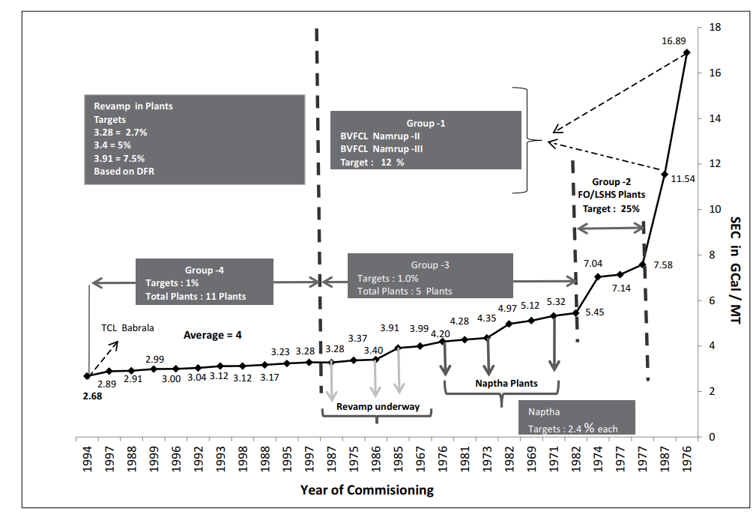
1986 | 3.4 | 14.2256 |  |  | 1974 | 25.604748972
1975 | 3.37 | 14.10008 |  |  | 1975 | 25.084041623
1987 | 3.28 | 13.72352 |  |  | 1976 | 24.563334274
1997 | 3.28 | 13.72352 |  |  | 1977 | 24.042626925
1995 | 3.23 | 13.51432 |  |  | 1978 | 23.521919576
1988 | 3.17 | 13.26328 |  |  | 1979 | 23.001212227
1998 | 3.12 | 13.05408 |  |  | 1980 | 22.480504878
1993 | 3.12 | 13.05408 |  |  | 1981 | 21.959797529
1992 | 3.04 | 12.71936 |  |  | 1982 | 21.43909018
1996 | 3 | 12.552 |  |  | 1983 | 20.918382831
1999 | 2.99 | 12.51016 |  |  | 1984 | 20.397675482
1988 | 2.91 | 12.17544 |  |  | 1985 | 19.876968133
1997 | 2.89 | 12.09176 |  |  | 1986 | 19.356260784
1994 | 2.68 | 11.21312 |  |  | 1987 | 18.835553435
 |  |  |  |  | 1988 | 18.314846086
 |  |  |  |  | 1989 | 17.794138736
 |  |  |  |  | 1990 | 17.273431387
 |  |  |  |  | 1991 | 16.752724038
 |  |  |  |  | 1992 | 16.232016689
 |  |  |  |  | 1993 | 15.71130934
 |  |  |  |  | 1994 | 15.190601991
 |  |  |  |  | 1995 | 14.669894642
 |  |  |  |  | 1996 | 14.149187293
 |  |  |  |  | 1997 | 13.628479944
 |  |  |  |  | 1998 | 13.107772595
 |  |  |  |  | 1999 | 12.587065246
 |  |  |  |  | 2000 | 12.066357897
 |  |  |  |  | 2001 | 11.545650548
 |  |  |  |  | 2002 | 11.024943199
 |  |  |  |  | 2003 | 10.50423585
 |  |  |  |  | 2004 | 9.9835285005
 |  |  |  |  | 2005 | 9.4628211514
 |  |  |  |  | 2006 | 8.9421138023
 |  |  |  |  | 2007 | 8.4214064533
 |  |  |  |  | 2008 | 7.9006991042
 |  |  |  |  | 2009 | 7.3799917551
 |  |  |  |  | 2010 | 6.8592844061
 |  |  |  |  | 2011 | 6.338577057
 |  |  |  |  | 2012 | 5.8178697079
 |  |  |  |  | 2013 | 5.2971623589
 |  |  |  |  | 2014 | 4.7764550098
 |  |  |  |  | 2015 | 4.2557476607
 |  |  |  |  | 2016 | 3.7350403117
 |  |  |  |  | 2017 | 3.2143329626
 |  |  |  |  | 2018 | 2.6936256135
 |  |  |  |  | 2019 | 2.1729182645
 |  |  |  |  | 2020 | 1.6522109154

Aguilera_2015_a
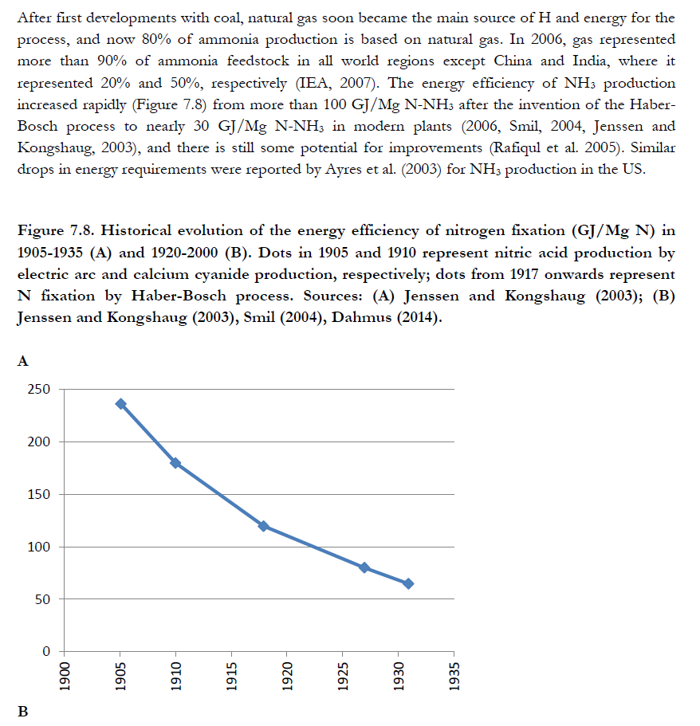
Aguilera et al (2015) - Embodied Energy in Agricultural Inputs Incorporating a Historical Perspective
https://ideas.repec.org/p/seh/wpaper/1507.html
NH3

Energy |  |  |  |  |  |  |  |  |  |  |  | Non-Renewable Energy (NRE)

Direct energy requirements (MJ/kg N) |  |  |  |  |  |  |  |  |  |  |  | Direct NRE (MJ/kg N)
 | 1,910 | 1,920 | 1,930 | 1,940 | 1,950 | 1,960 | 1,970 | 1,980 | 1,990 | 2,000 | 2,010 |  | 1,910 | 1,920 | 1,930 | 1,940 | 1,950 | 1,960 | 1,970 | 1,980 | 1,990 | 2,000 | 2,010
China |  |  |  |  | 105.8 | 89.1 | 76.3 | 70.1 | 64.5 | 61.0 | 57.7 | China |  |  |  |  | 105.8 | 89.1 | 76.3 | 70.1 | 64.5 | 61.0 | 57.7
World excl. China | 243.2 | 117.9 | 100.3 | 85.6 | 73.8 | 62.1 | 53.3 | 48.9 | 45.0 | 42.6 | 40.3 | World excl. China | 243.2 | 117.9 | 100.3 | 85.6 | 73.8 | 62.1 | 53.3 | 48.9 | 45.0 | 42.6 | 40.3
World | 243.2 | 117.9 | 100.3 | 85.6 | 73.9 | 62.9 | 56.8 | 53.2 | 49.3 | 48.8 | 46.5 | World | 243.2 | 117.9 | 100.3 | 85.6 | 73.9 | 62.9 | 56.8 | 53.2 | 49.3 | 48.8 | 46.5

Fuel production energy requirements (MJ/kg N) |  |  |  |  |  |  |  |  |  |  |  | Fuel production NRE (MJ/kg N)
 | 1,910 | 1,920 | 1,930 | 1,940 | 1,950 | 1,960 | 1,970 | 1,980 | 1,990 | 2,000 | 2,010 |  | 1,910 | 1,920 | 1,930 | 1,940 | 1,950 | 1,960 | 1,970 | 1,980 | 1,990 | 2,000 | 2,010
China |  |  |  |  | 9.5 | 5.8 | 4.8 | 4.1 | 3.9 | 3.9 | 4.2 | China |  |  |  |  | 8.4 | 5.0 | 4.1 | 3.7 | 3.6 | 3.6 | 4.0
World excl. China | 24.2 | 11.7 | 4.6 | 3.8 | 3.1 | 2.6 | 2.5 | 2.7 | 3.0 | 3.3 | 3.8 | World excl. China | 22.1 | 10.9 | 4.6 | 3.8 | 3.1 | 2.6 | 2.5 | 2.7 | 3.0 | 3.3 | 3.8
World | 24.2 | 11.7 | 4.6 | 3.8 | 3.2 | 2.7 | 2.8 | 3.0 | 3.2 | 3.5 | 4.0 | World | 22.1 | 10.9 | 4.6 | 3.8 | 3.2 | 2.7 | 2.7 | 2.9 | 3.1 | 3.4 | 3.9

Buildings embodied energy (MJ/kg N) |  |  |  |  |  |  |  |  |  |  |  | Buildings NRE (MJ/kg N)
 | 1,910 | 1,920 | 1,930 | 1,940 | 1,950 | 1,960 | 1,970 | 1,980 | 1,990 | 2,000 | 2,010 |  | 1,910 | 1,920 | 1,930 | 1,940 | 1,950 | 1,960 | 1,970 | 1,980 | 1,990 | 2,000 | 2,010
China |  |  |  |  | 1.3 | 1.3 | 1.3 | 1.3 | 1.3 | 1.3 | 1.3 | China |  |  |  |  | 0.9 | 1.0 | 1.1 | 1.1 | 1.1 | 1.1 | 1.1
World excl. China | 1.3 | 1.3 | 1.3 | 1.3 | 1.3 | 1.3 | 1.3 | 1.3 | 1.3 | 1.3 | 1.3 | World excl. China | 0.7 | 0.8 | 0.8 | 0.8 | 0.9 | 1.0 | 1.1 | 1.1 | 1.1 | 1.1 | 1.1
World | 1.3 | 1.3 | 1.3 | 1.3 | 1.3 | 1.3 | 1.3 | 1.3 | 1.3 | 1.3 | 1.3 | World | 0.7 | 0.8 | 0.8 | 0.8 | 0.9 | 1.0 | 1.1 | 1.1 | 1.1 | 1.1 | 1.1

Total embodied energy(MJ/kg N) |  |  |  |  |  |  |  |  |  |  |  | Total NRE (MJ/kg N)
 | 1,910 | 1,920 | 1,930 | 1,940 | 1,950 | 1,960 | 1,970 | 1,980 | 1,990 | 2,000 | 2,010 |  | 1,910 | 1,920 | 1,930 | 1,940 | 1,950 | 1,960 | 1,970 | 1,980 | 1,990 | 2,000 | 2,010
China |  |  |  |  | 116.6 | 96.1 | 82.4 | 75.5 | 69.7 | 66.2 | 63.2 | China |  |  |  |  | 115.1 | 95.0 | 81.6 | 74.9 | 69.2 | 65.8 | 62.8
World excl. China | 268.7 | 131.0 | 106.3 | 90.7 | 78.3 | 66.1 | 57.1 | 52.9 | 49.3 | 47.2 | 45.4 | World excl. China | 266.0 | 129.7 | 105.8 | 90.2 | 77.9 | 65.8 | 56.8 | 52.7 | 49.1 | 47.0 | 45.2
World | 268.7 | 131.0 | 106.3 | 90.7 | 78.4 | 67.0 | 60.9 | 57.5 | 53.8 | 53.6 | 51.8 | World | 266.0 | 129.7 | 105.8 | 90.2 | 78.0 | 66.6 | 60.6 | 57.2 | 53.5 | 53.4 | 51.5

N FERTILIZERS PRODUCTION, EXCLUDING NH3

Energy |  |  |  |  |  |  |  |  |  |  |  | Non-Renewable Energy (NRE)
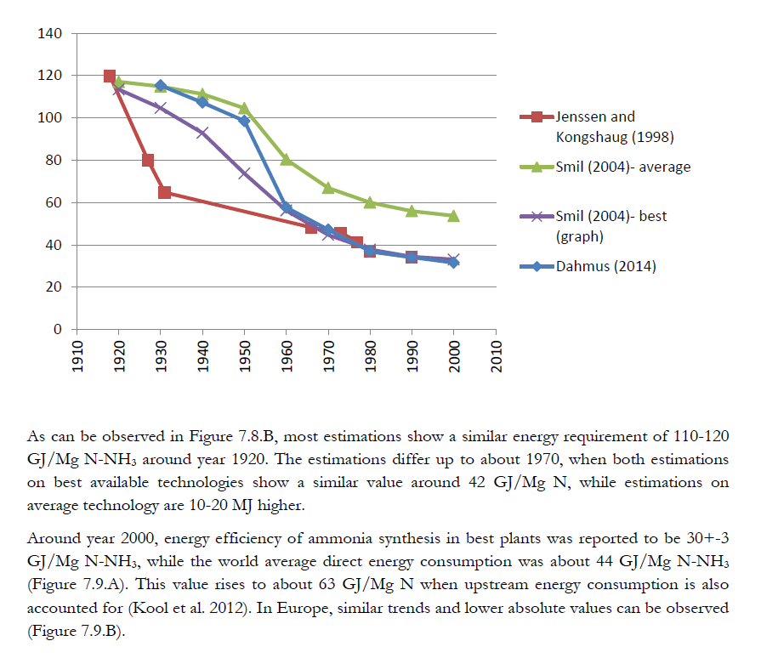
Process direct energy requirements (MJ/kg N) |  |  |  |  |  |  |  |  |  |  |  | Process NRE (MJ/kg N)
 | 1,910 | 1,920 | 1,930 | 1,940 | 1,950 | 1,960 | 1,970 | 1,980 | 1,990 | 2,000 | 2,010 |  | 1,910 | 1,920 | 1,930 | 1,940 | 1,950 | 1,960 | 1,970 | 1,980 | 1,990 | 2,000 | 2,010
AN |  |  |  |  |  | 38.4 | 17.8 | 7.1 | 1.2 | -1.8 | -4.8 | AN |  |  |  |  |  | 29.5 | 14.8 | 6.0 | 1.0 | -1.8 | -4.8
DAP, MAP |  |  |  |  |  | 11.7 | 9.4 | 7.7 | 6.4 | 5.4 | 4.3 | DAP, MAP |  |  |  |  |  | 9.0 | 7.8 | 6.5 | 5.5 | 4.6 | 3.7
AS |  |  |  |  |  | -0.8 | -3.6 | -6.3 | -9.1 | -11.9 | -14.7 | AS |  |  |  |  |  | -0.8 | -3.6 | -6.3 | -9.1 | -11.9 | -14.7
CAN |  |  |  |  |  | 50.9 | 27.2 | 13.6 | 6.6 | 1.5 | 0.3 | CAN |  |  |  |  |  | 39.2 | 22.6 | 11.5 | 5.7 | 1.3 | 0.3
NPK |  |  |  |  |  | 57.9 | 49.1 | 51.2 | 52.6 | 49.1 | 45.8 | NPK |  |  |  |  |  | 44.6 | 40.8 | 43.5 | 45.0 | 42.2 | 39.4
U |  |  |  |  |  | 21.8 | 17.8 | 13.6 | 11.2 | 8.0 | 5.7 | U |  |  |  |  |  | 16.8 | 14.8 | 11.5 | 9.6 | 6.9 | 4.9
N fertilizers average | 73.6 | 65.0 | 56.5 | 47.9 | 39.3 | 30.8 | 22.2 | 16.8 | 14.2 | 10.3 | 8.0 | N fertilizers average | 66.5 | 57.9 | 49.4 | 40.8 | 32.2 | 23.7 | 18.4 | 14.2 | 12.1 | 8.9 | 6.9

Process indirect energy requirments (MJ/kg N) |  |  |  |  |  |  |  |  |  |  |  | Process indirect NRE (MJ/kg N)
 | 1,910 | 1,920 | 1,930 | 1,940 | 1,950 | 1,960 | 1,970 | 1,980 | 1,990 | 2,000 | 2,010 |  | 1,910 | 1,920 | 1,930 | 1,940 | 1,950 | 1,960 | 1,970 | 1,980 | 1,990 | 2,000 | 2,010
AN |  |  |  |  |  | 1.2 | 0.6 | 0.3 | 0.1 | 0.0 | 0.0 | AN |  |  |  |  |  | 0.9 | 0.5 | 0.3 | 0.1 | 0.0 | 0.0
DAP, MAP |  |  |  |  |  | 0.4 | 0.3 | 0.3 | 0.3 | 0.4 | 0.4 | DAP, MAP |  |  |  |  |  | 0.3 | 0.3 | 0.3 | 0.3 | 0.3 | 0.3
AS |  |  |  |  |  | 0.0 | 0.0 | 0.0 | 0.0 | 0.0 | 0.0 | AS |  |  |  |  |  | 0.0 | 0.0 | 0.0 | 0.0 | 0.0 | 0.0
CAN |  |  |  |  |  | 1.5 | 0.9 | 0.6 | 0.4 | 0.1 | 0.0 | CAN |  |  |  |  |  | 1.2 | 0.8 | 0.5 | 0.3 | 0.1 | 0.0
NPK |  |  |  |  |  | 1.8 | 1.7 | 2.2 | 2.9 | 3.3 | 3.8 | NPK |  |  |  |  |  | 1.3 | 1.4 | 1.9 | 2.5 | 2.8 | 3.3
U |  |  |  |  |  | 0.7 | 0.6 | 0.6 | 0.6 | 0.5 | 0.5 | U |  |  |  |  |  | 0.5 | 0.5 | 0.5 | 0.5 | 0.5 | 0.4
N fertilizers average | 1.7 | 1.6 | 1.4 | 1.3 | 1.1 | 0.9 | 0.8 | 0.7 | 0.8 | 0.7 | 0.7 | N fertilizers average | 1.5 | 1.4 | 1.2 | 1.0 | 0.9 | 0.7 | 0.6 | 0.6 | 0.7 | 0.6 | 0.6

Buildings and packing energy (MJ/kg N) |  |  |  |  |  |  |  |  |  |  |  | Buildings and packing NRE (MJ/kg N)
 | 1,910 | 1,920 | 1,930 | 1,940 | 1,950 | 1,960 | 1,970 | 1,980 | 1,990 | 2,000 | 2,010 |  | 1,910 | 1,920 | 1,930 | 1,940 | 1,950 | 1,960 | 1,970 | 1,980 | 1,990 | 2,000 | 2,010
AN |  |  |  |  |  | 9.4 | 9.4 | 9.4 | 9.4 | 9.4 | 9.4 | AN |  |  |  |  |  | 7.2 | 7.8 | 8.0 | 8.0 | 8.1 | 8.1
DAP, MAP |  |  |  |  |  | 7.1 | 7.1 | 7.1 | 7.1 | 7.1 | 7.1 | DAP, MAP |  |  |  |  |  | 5.4 | 5.9 | 6.0 | 6.1 | 6.1 | 6.1
AS |  |  |  |  |  | 2.6 | 2.6 | 2.6 | 2.6 | 2.6 | 2.6 | AS |  |  |  |  |  | 2.0 | 2.2 | 2.2 | 2.2 | 2.2 | 2.2
CAN |  |  |  |  |  | 10.6 | 10.6 | 10.6 | 10.6 | 10.6 | 10.6 | CAN |  |  |  |  |  | 8.1 | 8.8 | 9.0 | 9.1 | 9.1 | 9.1
NPK |  |  |  |  |  | 8.1 | 8.1 | 8.1 | 8.1 | 8.1 | 8.1 | NPK |  |  |  |  |  | 6.3 | 6.8 | 6.9 | 7.0 | 7.0 | 7.0
U |  |  |  |  |  | 5.6 | 5.6 | 5.6 | 5.6 | 5.6 | 5.6 | U |  |  |  |  |  | 4.3 | 4.6 | 4.7 | 4.8 | 4.8 | 4.8
N fertilizers average | 8.1 | 8.1 | 8.1 | 8.1 | 8.1 | 8.1 | 8.1 | 8.1 | 8.1 | 8.1 | 8.1 | N fertilizers average | 6.3 | 6.3 | 6.3 | 6.3 | 6.3 | 6.3 | 6.8 | 6.9 | 7.0 | 7.0 | 7.0

Transport energy (MJ/kg N) |  |  |  |  |  |  |  |  |  |  |  | Transport NRE (MJ/kg N)
 | 1,910 | 1,920 | 1,930 | 1,940 | 1,950 | 1,960 | 1,970 | 1,980 | 1,990 | 2,000 | 2,010 |  | 1,910 | 1,920 | 1,930 | 1,940 | 1,950 | 1,960 | 1,970 | 1,980 | 1,990 | 2,000 | 2,010
AN |  |  |  |  |  | 6.4 | 5.6 | 4.5 | 4.9 | 5.2 | 5.6 | AN |  |  |  |  |  | 6.3 | 5.4 | 4.5 | 4.8 | 5.2 | 5.5
DAP, MAP |  |  |  |  |  | 3.8 | 3.3 | 2.7 | 2.9 | 3.1 | 3.3 | DAP, MAP |  |  |  |  |  | 3.8 | 3.2 | 2.6 | 2.8 | 3.1 | 3.3
AS |  |  |  |  |  | 10.7 | 9.3 | 7.6 | 8.1 | 8.7 | 9.3 | AS |  |  |  |  |  | 10.6 | 9.1 | 7.4 | 8.0 | 8.6 | 9.2
CAN |  |  |  |  |  | 9.0 | 7.8 | 6.4 | 6.8 | 7.3 | 7.8 | CAN |  |  |  |  |  | 8.9 | 7.6 | 6.2 | 6.7 | 7.2 | 7.7
NPK |  |  |  |  |  | 5.0 | 4.4 | 3.5 | 3.8 | 4.1 | 4.3 | NPK |  |  |  |  |  | 4.9 | 4.2 | 3.5 | 3.7 | 4.0 | 4.3
U |  |  |  |  |  | 4.9 | 4.3 | 3.5 | 3.7 | 4.0 | 4.2 | U |  |  |  |  |  | 4.8 | 4.1 | 3.4 | 3.7 | 3.9 | 4.2
N fertilizers average | 13.4 | 13.4 | 13.4 | 13.3 | 14.2 | 7.3 | 5.5 | 4.2 | 4.3 | 4.4 | 4.6 | N fertilizers average | 13.3 | 13.3 | 13.3 | 13.2 | 14.1 | 7.2 | 5.4 | 4.2 | 4.2 | 4.3 | 4.6

Total embodied energy, excluding NH3 production (MJ/kg N) |  |  |  |  |  |  |  |  |  |  |  | Total production NRE, excluding NH3 production (MJ/kg N)
 | 1,910 | 1,920 | 1,930 | 1,940 | 1,950 | 1,960 | 1,970 | 1,980 | 1,990 | 2,000 | 2,010 |  | 1,910 | 1,920 | 1,930 | 1,940 | 1,950 | 1,960 | 1,970 | 1,980 | 1,990 | 2,000 | 2,010
AN |  |  |  |  |  | 55.4 | 33.4 | 21.3 | 15.5 | 12.8 | 10.1 | AN |  |  |  |  |  | 44.0 | 28.5 | 18.7 | 13.9 | 11.4 | 8.8
DAP, MAP |  |  |  |  |  | 23.0 | 20.1 | 17.8 | 16.7 | 15.9 | 15.1 | DAP, MAP |  |  |  |  |  | 18.5 | 17.2 | 15.4 | 14.7 | 14.1 | 13.4
AS |  |  |  |  |  | 12.6 | 8.4 | 3.8 | 1.6 | -0.6 | -2.8 | AS |  |  |  |  |  | 11.8 | 7.7 | 3.3 | 1.1 | -1.0 | -3.2
CAN |  |  |  |  |  | 72.0 | 46.6 | 31.1 | 24.4 | 19.5 | 18.7 | CAN |  |  |  |  |  | 57.4 | 39.8 | 27.2 | 21.7 | 17.7 | 17.1
NPK |  |  |  |  |  | 72.8 | 63.4 | 65.1 | 67.4 | 64.5 | 62.1 | NPK |  |  |  |  |  | 57.1 | 53.2 | 55.7 | 58.2 | 56.1 | 54.0
U |  |  |  |  |  | 32.9 | 28.3 | 23.2 | 21.1 | 18.1 | 16.0 | U |  |  |  |  |  | 26.4 | 24.1 | 20.2 | 18.5 | 16.1 | 14.3
N fertilizers average | 96.9 | 88.1 | 79.4 | 70.6 | 62.8 | 47.2 | 36.7 | 29.9 | 27.4 | 23.5 | 21.5 | N fertilizers average | 87.6 | 78.8 | 70.1 | 61.4 | 53.5 | 37.9 | 31.2 | 25.9 | 24.0 | 20.8 | 19.1

N FERTILIZERS PRODUCTION, INCLUDING NH3

Energy |  |  |  |  |  |  |  |  |  |  |  | Non-Renewable Energy (NRE)

Total embodied energy, China (MJ/kg N) |  |  |  |  |  |  |  |  |  |  |  | Total NRE, China (MJ/kg N)
 | 1,910 | 1,920 | 1,930 | 1,940 | 1,950 | 1,960 | 1,970 | 1,980 | 1,990 | 2,000 | 2,010 |  | 1,910 | 1,920 | 1,930 | 1,940 | 1,950 | 1,960 | 1,970 | 1,980 | 1,990 | 2,000 | 2,010
AN |  |  |  |  |  | 151.5 | 115.8 | 96.8 | 85.2 | 79.0 | 73.4 | AN |  |  |  |  |  | 139.0 | 110.1 | 93.6 | 83.1 | 77.2 | 71.6
DAP, MAP |  |  |  |  |  | 119.1 | 102.6 | 93.3 | 86.4 | 82.2 | 78.3 | DAP, MAP |  |  |  |  |  | 113.5 | 98.8 | 90.3 | 83.9 | 79.9 | 76.2
AS |  |  |  |  |  | 108.7 | 90.8 | 79.3 | 71.3 | 65.7 | 60.4 | AS |  |  |  |  |  | 106.8 | 89.2 | 78.2 | 70.3 | 64.7 | 59.6
CAN |  |  |  |  |  | 168.2 | 129.0 | 106.6 | 94.1 | 85.7 | 82.0 | CAN |  |  |  |  |  | 152.4 | 121.3 | 102.1 | 91.0 | 83.5 | 79.9
NPK |  |  |  |  |  | 169.0 | 145.8 | 140.6 | 137.1 | 130.8 | 125.3 | NPK |  |  |  |  |  | 152.1 | 134.8 | 130.6 | 127.4 | 121.8 | 116.8
U |  |  |  |  |  | 129.1 | 110.7 | 98.7 | 90.8 | 84.3 | 79.2 | U |  |  |  |  |  | 121.4 | 105.6 | 95.0 | 87.8 | 81.8 | 77.1
N fertilizers average |  |  |  |  | 179.3 | 143.3 | 119.1 | 105.4 | 97.1 | 89.8 | 84.7 | N fertilizers average |  |  |  |  | 168.6 | 132.9 | 112.8 | 100.8 | 93.2 | 86.6 | 81.9

Total embodied energy, World excluding China (MJ/kg N) |  |  |  |  |  |  |  |  |  |  |  | Total NRE, World excluding China (MJ/kg N)
 | 1,910 | 1,920 | 1,930 | 1,940 | 1,950 | 1,960 | 1,970 | 1,980 | 1,990 | 2,000 | 2,010 |  | 1,910 | 1,920 | 1,930 | 1,940 | 1,950 | 1,960 | 1,970 | 1,980 | 1,990 | 2,000 | 2,010
AN |  |  |  |  |  | 121.4 | 90.5 | 74.2 | 64.8 | 60.0 | 55.6 | AN |  |  |  |  |  | 109.7 | 85.4 | 71.4 | 63.0 | 58.5 | 54.0
DAP, MAP |  |  |  |  |  | 89.0 | 77.2 | 70.6 | 66.0 | 63.1 | 60.5 | DAP, MAP |  |  |  |  |  | 84.2 | 74.0 | 68.1 | 63.8 | 61.1 | 58.6
AS |  |  |  |  |  | 78.6 | 65.4 | 56.7 | 50.9 | 46.6 | 42.6 | AS |  |  |  |  |  | 77.5 | 64.5 | 55.9 | 50.2 | 46.0 | 42.0
CAN |  |  |  |  |  | 138.1 | 103.6 | 84.0 | 73.6 | 66.7 | 64.2 | CAN |  |  |  |  |  | 123.1 | 96.6 | 79.9 | 70.8 | 64.7 | 62.4
NPK |  |  |  |  |  | 138.9 | 120.4 | 118.0 | 116.7 | 111.8 | 107.5 | NPK |  |  |  |  |  | 122.9 | 110.1 | 108.4 | 107.3 | 103.1 | 99.2
U |  |  |  |  |  | 99.0 | 85.3 | 76.1 | 70.4 | 65.3 | 61.4 | U |  |  |  |  |  | 92.1 | 80.9 | 72.8 | 67.6 | 63.1 | 59.5
N fertilizers average | 365.6 | 219.1 | 185.7 | 161.3 | 141.0 | 113.2 | 93.7 | 82.7 | 76.7 | 70.7 | 66.9 | N fertilizers average | 353.6 | 208.5 | 175.9 | 151.6 | 131.3 | 103.6 | 88.1 | 78.6 | 73.1 | 67.8 | 64.3

Total embodied energy, World (MJ/kg N) |  |  |  |  |  |  |  |  |  |  |  | Total NRE, World (MJ/kg N)
 | 1,910 | 1,920 | 1,930 | 1,940 | 1,950 | 1,960 | 1,970 | 1,980 | 1,990 | 2,000 | 2,010 |  | 1,910 | 1,920 | 1,930 | 1,940 | 1,950 | 1,960 | 1,970 | 1,980 | 1,990 | 2,000 | 2,010
AN |  |  |  |  |  | 122.3 | 94.3 | 78.8 | 69.3 | 66.4 | 62.0 | AN |  |  |  |  |  | 110.6 | 89.1 | 75.9 | 67.4 | 64.8 | 60.3
DAP, MAP |  |  |  |  |  | 89.9 | 81.1 | 75.3 | 70.5 | 69.6 | 66.9 | DAP, MAP |  |  |  |  |  | 85.1 | 77.8 | 72.6 | 68.2 | 67.5 | 64.9
AS |  |  |  |  |  | 79.5 | 69.3 | 61.3 | 55.4 | 53.1 | 49.0 | AS |  |  |  |  |  | 78.4 | 68.3 | 60.5 | 54.6 | 52.3 | 48.3
CAN |  |  |  |  |  | 139.0 | 107.5 | 88.6 | 78.1 | 73.1 | 70.6 | CAN |  |  |  |  |  | 124.0 | 100.4 | 84.4 | 75.3 | 71.1 | 68.7
NPK |  |  |  |  |  | 139.8 | 124.3 | 122.6 | 121.2 | 118.2 | 113.9 | NPK |  |  |  |  |  | 123.7 | 113.8 | 112.9 | 111.7 | 109.4 | 105.5
U |  |  |  |  |  | 99.9 | 89.2 | 80.7 | 74.9 | 71.7 | 67.8 | U |  |  |  |  |  | 93.0 | 84.7 | 77.4 | 72.1 | 69.4 | 65.9
N fertilizers average | 365.6 | 219.1 | 185.7 | 161.3 | 141.1 | 114.1 | 97.6 | 87.4 | 81.2 | 77.1 | 73.3 | N fertilizers average | 353.6 | 208.5 | 175.9 | 151.6 | 131.4 | 104.5 | 91.8 | 83.1 | 77.5 | 74.1 | 70.6

